Ripple Test
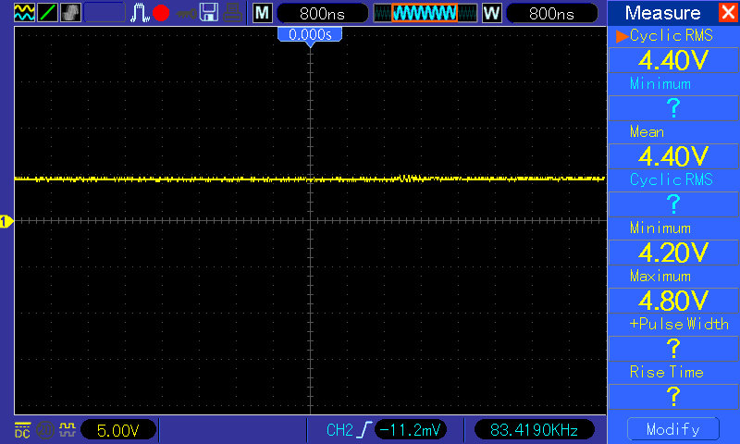
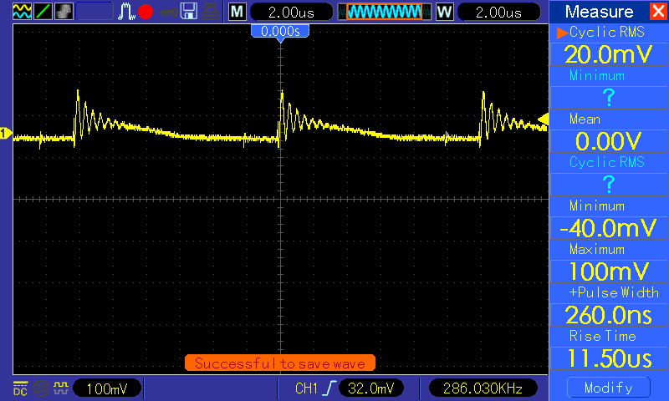
Test Setup : 50ohm in series with 220nf with again 50ohm to ground to filter only LF Load is connected @ Power supply (+) - blacberry mobile connected

Reference : |  | Application Note by Stmicro for Ripple & Noise measurement

Test 1 | Nokia N73 connected directly to adaptor

Vout waveform : Some irregularity seen on output voltage |  |  | Vripple : Waveform after filter when using N73 as load => 308mv Vp-p
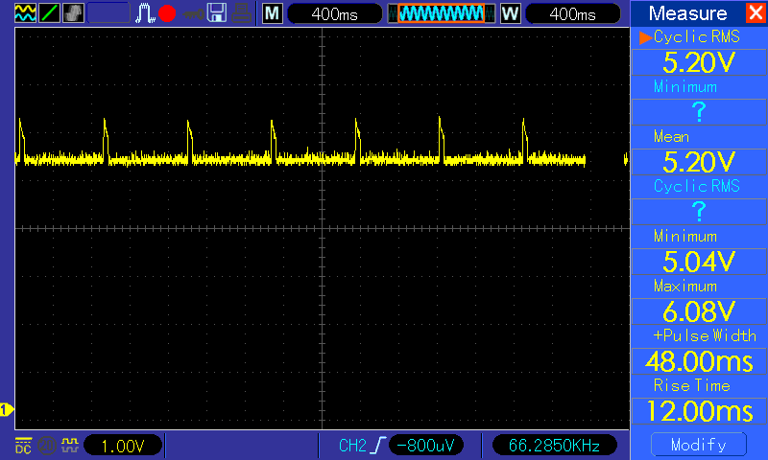
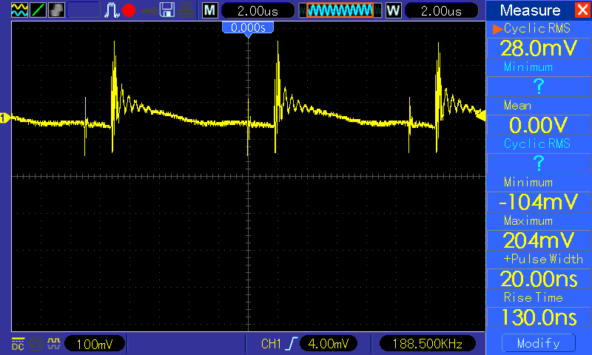

Test 2 | No load
Vout @ no load |  |  | Vripple : @ no load => 132mv Vp-p
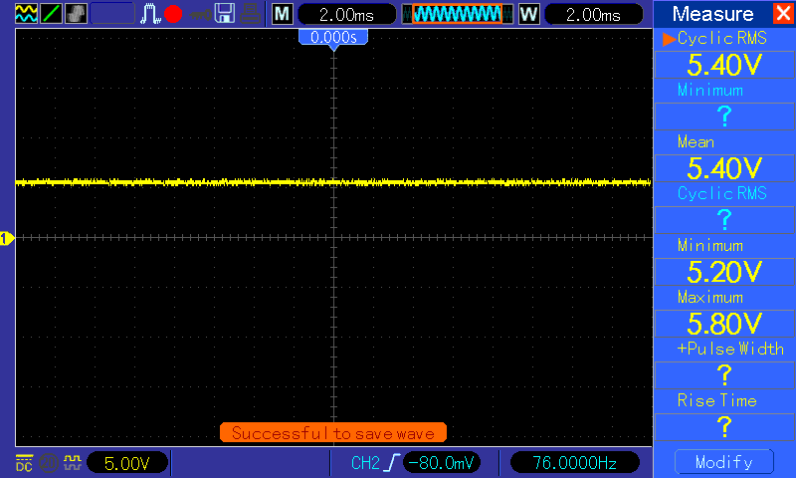
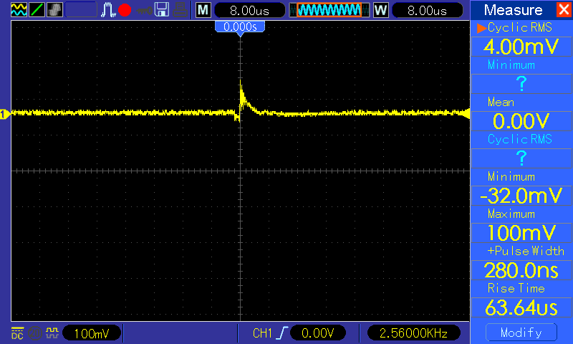

Test 3 | DC electronic load
Vout = set as per Power supply when sinking max. Iload = 450ma |  |  | Vripple => with Iload 450ma is => 188mv
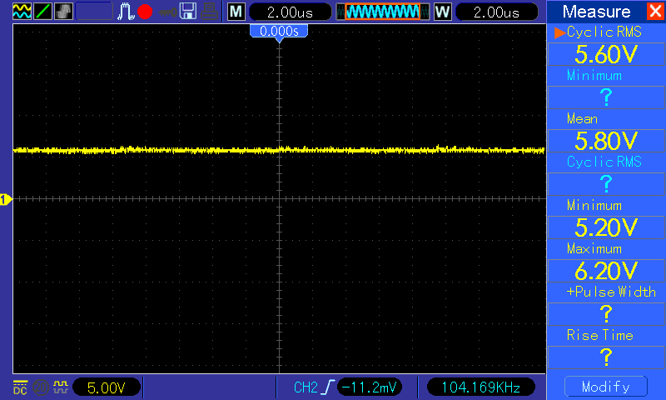
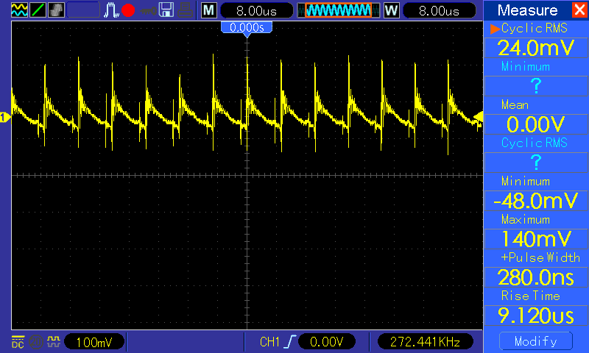

Test 4 | BlackBerry Bold connected 9640 as load
Vout = seem overload condition hence voltage drops downto 4.4v |  |  | Vripple : 140mv

LoadRegulation
Test setup : DC electronic load connected and programmed for 50ma steps @ 10s intervals | Valid cells where curret sinked = O82 to O360
 | Load regulation = {V(nolad)- V(load)}/ V(noload) |  |  | Power Eff. (min)= | 0.64682539683
 | V(noload) | 5.3575438596 |  | Power Eff. (max.) | 0.72263610315 | This is at max load hence well add a note
 | V(fullload) | 5.593125
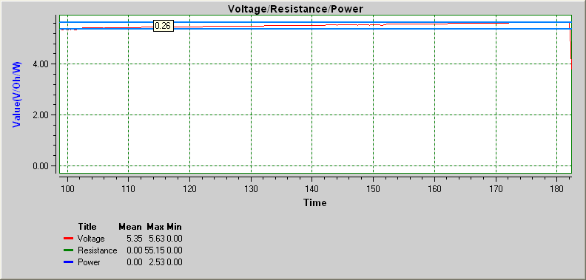
 | Load regulation = | -0.043971854738
 |  | Current(X) | Current(Y) | Power(AC source) | Eff. | Voltage(X) | Voltage(Y) | Resistance(X) | Resistance(Y) | Power(X) | Power(Y)
 |  | 3.9690000471 | 0 |  |  | 3.985000262 | 5.36 | 3.985000262 | 0 | 3.985000262 | 0
 |  | 4.125000257 | 0 |  |  | 4.141000472 | 5.36 | 4.141000472 | 0 | 4.141000472 | 0
 |  | 4.2970000533 | 0 |  |  | 4.3130002683 | 5.36 | 4.3130002683 | 0 | 4.3130002683 | 0
 |  | 4.4380002189 | 0 |  |  | 4.4540004339 | 5.36 | 4.4540004339 | 0 | 4.4540004339 | 0
 |  | 4.5939998003 | 0 |  |  | 4.6100000152 | 5.36 | 4.6100000152 | 0 | 4.6100000152 | 0
 |  | 4.7500000102 | 0 |  |  | 4.7660002252 | 5.36 | 4.7660002252 | 0 | 4.7660002252 | 0
 |  | 4.9060002202 | 0 |  |  | 4.9220004352 | 5.35 | 4.9220004352 | 0 | 4.9220004352 | 0
 |  | 5.0629999721 | 0 |  |  | 5.0790001871 | 5.36 | 5.0790001871 | 0 | 5.0790001871 | 0
 |  | 5.2190001821 | 0 |  |  | 5.2350003971 | 5.36 | 5.2350003971 | 0 | 5.2350003971 | 0
 |  | 5.3749997634 | 0 |  |  | 5.3909999784 | 5.36 | 5.3909999784 | 0 | 5.3909999784 | 0
 |  | 5.5309999734 | 0 |  |  | 5.5470001884 | 5.35 | 5.5470001884 | 0 | 5.5470001884 | 0
 |  | 5.688000354 | 0 |  |  | 5.7040005689 | 5.36 | 5.7040005689 | 0 | 5.7040005689 | 0
 |  | 5.8439999353 | 0 |  |  | 5.8600001503 | 5.36 | 5.8600001503 | 0 | 5.8600001503 | 0
 |  | 6.0000001453 | 0 |  |  | 6.0160003603 | 5.35 | 6.0160003603 | 0 | 6.0160003603 | 0

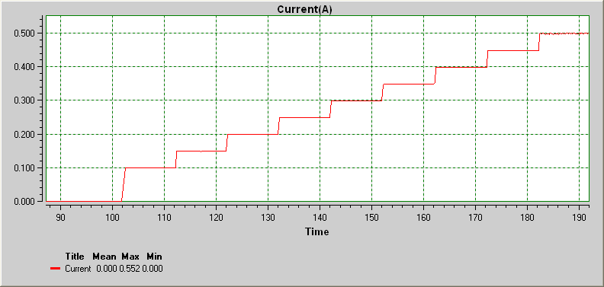
 |  | 6.1560003553 | 0 |  |  | 6.1720005702 | 5.35 | 6.1720005702 | 0 | 6.1720005702 | 0
 |  | 6.3130001072 | 0 |  |  | 6.3290003221 | 5.35 | 6.3290003221 | 0 | 6.3290003221 | 0
 |  | 6.4690003172 | 0 |  |  | 6.4850005321 | 5.35 | 6.4850005321 | 0 | 6.4850005321 | 0
 |  | 6.6249998985 | 0 |  |  | 6.6410001134 | 5.35 | 6.6410001134 | 0 | 6.6410001134 | 0
 |  | 7.219000021 | 0 |  |  | 7.235000236 | 5.36 | 7.235000236 | 0 | 7.235000236 | 0
 |  | 7.375000231 | 0 |  |  | 7.3910004459 | 5.36 | 7.3910004459 | 0 | 7.3910004459 | 0
 |  | 7.5470000273 | 0 |  |  | 7.5630002422 | 5.36 | 7.5630002422 | 0 | 7.5630002422 | 0
 |  | 7.6880001929 | 0 |  |  | 7.7040004078 | 5.36 | 7.7040004078 | 0 | 7.7040004078 | 0
 |  | 7.8439997742 | 0 |  |  | 7.8599999892 | 5.36 | 7.8599999892 | 0 | 7.8599999892 | 0
 |  | 7.9999999842 | 0 |  |  | 8.0160001991 | 5.36 | 8.0160001991 | 0 | 8.0160001991 | 0
 |  | 8.1560001941 | 0 |  |  | 8.1720004091 | 5.36 | 8.1720004091 | 0 | 8.1720004091 | 0
 |  | 8.3129999461 | 0 |  |  | 8.329000161 | 5.36 | 8.329000161 | 0 | 8.329000161 | 0
 |  | 8.4840002004 | 0 |  |  | 8.5000004154 | 5.36 | 8.5000004154 | 0 | 8.5000004154 | 0
 |  | 8.6249997374 | 0 |  |  | 8.6409999523 | 5.36 | 8.6409999523 | 0 | 8.6409999523 | 0
 |  | 8.7809999473 | 0 |  |  | 8.7970001623 | 5.36 | 8.7970001623 | 0 | 8.7970001623 | 0
 |  | 8.9380003279 | 0 |  |  | 8.9540005429 | 5.36 | 8.9540005429 | 0 | 8.9540005429 | 0
 |  | 9.0939999092 | 0 |  |  | 9.1100001242 | 5.36 | 9.1100001242 | 0 | 9.1100001242 | 0
 |  | 9.2500001192 | 0 |  |  | 9.2660003342 | 5.36 | 9.2660003342 | 0 | 9.2660003342 | 0
 |  | 9.4060003292 | 0 |  |  | 9.4220005441 | 5.36 | 9.4220005441 | 0 | 9.4220005441 | 0
 |  | 9.5630000811 | 0 |  |  | 9.5790002961 | 5.35 | 9.5790002961 | 0 | 9.5790002961 | 0
 |  | 9.7190002911 | 0 |  |  | 9.735000506 | 5.35 | 9.735000506 | 0 | 9.735000506 | 0
 |  | 9.8749998724 | 0 |  |  | 9.8910000874 | 5.36 | 9.8910000874 | 0 | 9.8910000874 | 0
 |  | 10.031000082 | 0 |  |  | 10.047000297 | 5.36 | 10.047000297 | 0 | 10.047000297 | 0
 |  | 10.187999834 | 0 |  |  | 10.204000049 | 5.36 | 10.204000049 | 0 | 10.204000049 | 0
 |  | 10.344000044 | 0 |  |  | 10.360000259 | 5.36 | 10.360000259 | 0 | 10.360000259 | 0
 |  | 10.500000254 | 0 |  |  | 10.516000469 | 5.36 | 10.516000469 | 0 | 10.516000469 | 0
 |  | 10.655999836 | 0 |  |  | 10.672000051 | 5.35 | 10.672000051 | 0 | 10.672000051 | 0
 |  | 10.813000216 | 0 |  |  | 10.829000431 | 5.35 | 10.829000431 | 0 | 10.829000431 | 0
 |  | 10.968999797 | 0 |  |  | 10.985000012 | 5.35 | 10.985000012 | 0 | 10.985000012 | 0
 |  | 11.156000267 | 0 |  |  | 11.172000482 | 5.36 | 11.172000482 | 0 | 11.172000482 | 0
 |  | 11.281000217 | 0 |  |  | 11.297000432 | 5.36 | 11.297000432 | 0 | 11.297000432 | 0
 |  | 11.437999969 | 0 |  |  | 11.454000184 | 5.36 | 11.454000184 | 0 | 11.454000184 | 0
 |  | 11.594000179 | 0 |  |  | 11.610000394 | 5.35 | 11.610000394 | 0 | 11.610000394 | 0
 |  | 11.969000031 | 0 |  |  | 11.985000246 | 5.36 | 11.985000246 | 0 | 11.985000246 | 0
 |  | 12.125000241 | 0 |  |  | 12.141000456 | 5.35 | 12.141000456 | 0 | 12.141000456 | 0
 |  | 12.280999823 | 0 |  |  | 12.297000038 | 5.36 | 12.297000038 | 0 | 12.297000038 | 0
 |  | 12.438000203 | 0 |  |  | 12.454000418 | 5.36 | 12.454000418 | 0 | 12.454000418 | 0
 |  | 12.593999784 | 0 |  |  | 12.609999999 | 5.36 | 12.609999999 | 0 | 12.609999999 | 0
 |  | 12.766000209 | 0 |  |  | 12.782000424 | 5.36 | 12.782000424 | 0 | 12.782000424 | 0
 |  | 12.906000204 | 0 |  |  | 12.922000419 | 5.36 | 12.922000419 | 0 | 12.922000419 | 0
 |  | 13.062999956 | 0 |  |  | 13.079000171 | 5.36 | 13.079000171 | 0 | 13.079000171 | 0
 |  | 13.219000166 | 0 |  |  | 13.235000381 | 5.36 | 13.235000381 | 0 | 13.235000381 | 0
 |  | 13.374999748 | 0 |  |  | 13.390999963 | 5.36 | 13.390999963 | 0 | 13.390999963 | 0
 |  | 13.530999958 | 0 |  |  | 13.547000173 | 5.35 | 13.547000173 | 0 | 13.547000173 | 0
 |  | 13.688000338 | 0 |  |  | 13.704000553 | 5.36 | 13.704000553 | 0 | 13.704000553 | 0
 |  | 13.843999919 | 0 |  |  | 13.860000134 | 5.35 | 13.860000134 | 0 | 13.860000134 | 0
 |  | 14.000000129 | 0 |  |  | 14.016000344 | 5.36 | 14.016000344 | 0 | 14.016000344 | 0
 |  | 14.156000339 | 0 |  |  | 14.172000554 | 5.35 | 14.172000554 | 0 | 14.172000554 | 0
 |  | 14.781000093 | 0.149 |  |  | 14.797000308 | 5.47 | 14.797000308 | 36.711409396 | 14.797000308 | 0.815
 |  | 15.405999846 | 0.149 |  |  | 15.422000061 | 5.46 | 15.422000061 | 36.644295302 | 15.422000061 | 0.813
 |  | 15.563000226 | 0.149 |  |  | 15.579000441 | 5.47 | 15.579000441 | 36.711409396 | 15.579000441 | 0.815
 |  | 15.718999808 | 0.149 |  |  | 15.735000023 | 5.46 | 15.735000023 | 36.644295302 | 15.735000023 | 0.813
 |  | 15.875000018 | 0.149 |  |  | 15.891000233 | 5.47 | 15.891000233 | 36.711409396 | 15.891000233 | 0.815
 |  | 16.031000228 | 0.149 |  |  | 16.047000443 | 5.47 | 16.047000443 | 36.711409396 | 16.047000443 | 0.815
 |  | 16.203000024 | 0.149 |  |  | 16.219000239 | 5.47 | 16.219000239 | 36.711409396 | 16.219000239 | 0.815
 |  | 16.34400019 | 0.149 |  |  | 16.360000405 | 5.46 | 16.360000405 | 36.644295302 | 16.360000405 | 0.813
 |  | 16.499999771 | 0.149 |  |  | 16.515999986 | 5.46 | 16.515999986 | 36.644295302 | 16.515999986 | 0.813
 |  | 16.672000196 | 0.149 |  |  | 16.688000411 | 5.47 | 16.688000411 | 36.711409396 | 16.688000411 | 0.815
 |  | 16.812999733 | 0.149 |  |  | 16.828999948 | 5.47 | 16.828999948 | 36.711409396 | 16.828999948 | 0.815
 |  | 16.968999943 | 0.149 |  |  | 16.985000158 | 5.47 | 16.985000158 | 36.711409396 | 16.985000158 | 0.815
 |  | 17.125000153 | 0.149 |  |  | 17.141000368 | 5.47 | 17.141000368 | 36.711409396 | 17.141000368 | 0.815
 |  | 17.296999949 | 0.149 |  |  | 17.313000164 | 5.46 | 17.313000164 | 36.644295302 | 17.313000164 | 0.813
 |  | 17.438000115 | 0.149 |  |  | 17.45400033 | 5.47 | 17.45400033 | 36.711409396 | 17.45400033 | 0.815
 |  | 18.124999758 | 0.099 |  |  | 18.140999973 | 5.42 | 18.140999973 | 54.747474747 | 18.140999973 | 0.536
 |  | 18.280999968 | 0.099 |  |  | 18.297000183 | 5.42 | 18.297000183 | 54.747474747 | 18.297000183 | 0.536
 |  | 18.438000348 | 0.099 |  |  | 18.454000563 | 5.42 | 18.454000563 | 54.747474747 | 18.454000563 | 0.536
 |  | 18.59399993 | 0.099 |  |  | 18.610000145 | 5.42 | 18.610000145 | 54.747474747 | 18.610000145 | 0.536
 |  | 18.75000014 | 0.099 |  |  | 18.766000355 | 5.42 | 18.766000355 | 54.747474747 | 18.766000355 | 0.536
 |  | 18.90600035 | 0.099 |  |  | 18.922000565 | 5.42 | 18.922000565 | 54.747474747 | 18.922000565 | 0.536
 |  | 19.093999732 | 0.099 |  |  | 19.109999947 | 5.42 | 19.109999947 | 54.747474747 | 19.109999947 | 0.536
 |  | 19.219000312 | 0.099 |  |  | 19.235000527 | 5.42 | 19.235000527 | 54.747474747 | 19.235000527 | 0.536
 |  | 19.374999893 | 0.099 |  |  | 19.391000108 | 5.42 | 19.391000108 | 54.747474747 | 19.391000108 | 0.536
 |  | 19.531000103 | 0.099 |  |  | 19.547000318 | 5.43 | 19.547000318 | 54.848484848 | 19.547000318 | 0.537
 |  | 19.687999855 | 0.099 |  |  | 19.70400007 | 5.42 | 19.70400007 | 54.747474747 | 19.70400007 | 0.536
 |  | 19.844000065 | 0.099 |  |  | 19.86000028 | 5.42 | 19.86000028 | 54.747474747 | 19.86000028 | 0.536
 |  | 20.000000275 | 0.099 |  |  | 20.01600049 | 5.42 | 20.01600049 | 54.747474747 | 20.01600049 | 0.536
 |  | 20.172000071 | 0.099 |  |  | 20.188000286 | 5.43 | 20.188000286 | 54.848484848 | 20.188000286 | 0.537
 |  | 20.313000237 | 0.099 |  |  | 20.329000452 | 5.42 | 20.329000452 | 54.747474747 | 20.329000452 | 0.536
 |  | 20.468999818 | 0.099 |  |  | 20.485000033 | 5.42 | 20.485000033 | 54.747474747 | 20.485000033 | 0.536
 |  | 20.625000028 | 0.099 |  |  | 20.641000243 | 5.42 | 20.641000243 | 54.747474747 | 20.641000243 | 0.536
 |  | 20.781000238 | 0.099 |  |  | 20.797000453 | 5.42 | 20.797000453 | 54.747474747 | 20.797000453 | 0.536
 |  | 20.93799999 | 0.099 |  |  | 20.954000205 | 5.42 | 20.954000205 | 54.747474747 | 20.954000205 | 0.536
 |  | 21.0940002 | 0.099 |  |  | 21.110000415 | 5.42 | 21.110000415 | 54.747474747 | 21.110000415 | 0.536
 |  | 21.265999996 | 0.099 |  |  | 21.282000211 | 5.42 | 21.282000211 | 54.747474747 | 21.282000211 | 0.536
 |  | 21.405999991 | 0.099 |  |  | 21.422000206 | 5.42 | 21.422000206 | 54.747474747 | 21.422000206 | 0.536
 |  | 21.562999743 | 0.099 |  |  | 21.578999958 | 5.42 | 21.578999958 | 54.747474747 | 21.578999958 | 0.536
 |  | 21.718999953 | 0.099 |  |  | 21.735000168 | 5.42 | 21.735000168 | 54.747474747 | 21.735000168 | 0.536
 |  | 21.875000163 | 0.099 |  |  | 21.891000378 | 5.42 | 21.891000378 | 54.747474747 | 21.891000378 | 0.536
 |  | 22.030999744 | 0.099 |  |  | 22.046999959 | 5.42 | 22.046999959 | 54.747474747 | 22.046999959 | 0.536
 |  | 22.203000169 | 0.099 |  |  | 22.219000384 | 5.42 | 22.219000384 | 54.747474747 | 22.219000384 | 0.536
 |  | 22.344000335 | 0.099 |  |  | 22.36000055 | 5.43 | 22.36000055 | 54.848484848 | 22.36000055 | 0.537
 |  | 22.499999916 | 0.099 |  |  | 22.516000131 | 5.42 | 22.516000131 | 54.747474747 | 22.516000131 | 0.536
 |  | 22.874999768 | 0.099 |  |  | 22.890999983 | 5.47 | 22.890999983 | 55.252525253 | 22.890999983 | 0.541
 |  | 23.062999779 | 0.149 | 1.16 | 0.7025862069 | 23.078999994 | 5.47 | 23.078999994 | 36.711409396 | 23.078999994 | 0.815
 |  | 23.18799973 | 0.149 | 1.26 | 0.64682539683 | 23.203999945 | 5.47 | 23.203999945 | 36.711409396 | 23.203999945 | 0.815
 |  | 23.34399994 | 0.149 |  |  | 23.360000155 | 5.47 | 23.360000155 | 36.711409396 | 23.360000155 | 0.815
 |  | 23.50000015 | 0.149 |  |  | 23.516000365 | 5.46 | 23.516000365 | 36.644295302 | 23.516000365 | 0.813
 |  | 23.655999731 | 0.149 |  |  | 23.671999946 | 5.46 | 23.671999946 | 36.644295302 | 23.671999946 | 0.813
 |  | 23.813000112 | 0.149 |  |  | 23.829000327 | 5.47 | 23.829000327 | 36.711409396 | 23.829000327 | 0.815
 |  | 23.969000322 | 0.149 |  |  | 23.985000537 | 5.46 | 23.985000537 | 36.644295302 | 23.985000537 | 0.813
 |  | 24.141000118 | 0.149 |  |  | 24.157000333 | 5.47 | 24.157000333 | 36.711409396 | 24.157000333 | 0.815
 |  | 24.281000113 | 0.149 |  |  | 24.297000328 | 5.47 | 24.297000328 | 36.711409396 | 24.297000328 | 0.815
 |  | 24.437999865 | 0.149 |  |  | 24.45400008 | 5.47 | 24.45400008 | 36.711409396 | 24.45400008 | 0.815
 |  | 24.594000075 | 0.149 |  |  | 24.61000029 | 5.46 | 24.61000029 | 36.644295302 | 24.61000029 | 0.813
 |  | 24.750000285 | 0.149 |  |  | 24.7660005 | 5.46 | 24.7660005 | 36.644295302 | 24.7660005 | 0.813
 |  | 24.905999866 | 0.149 |  |  | 24.922000081 | 5.46 | 24.922000081 | 36.644295302 | 24.922000081 | 0.813
 |  | 25.063000247 | 0.149 |  |  | 25.079000462 | 5.46 | 25.079000462 | 36.644295302 | 25.079000462 | 0.813
 |  | 25.233999873 | 0.149 |  |  | 25.250000088 | 5.47 | 25.250000088 | 36.711409396 | 25.250000088 | 0.815
 |  | 25.375000038 | 0.149 |  |  | 25.391000253 | 5.46 | 25.391000253 | 36.644295302 | 25.391000253 | 0.813
 |  | 25.531000248 | 0.149 |  |  | 25.547000463 | 5.47 | 25.547000463 | 36.711409396 | 25.547000463 | 0.815
 |  | 25.688 | 0.149 |  |  | 25.704000215 | 5.46 | 25.704000215 | 36.644295302 | 25.704000215 | 0.813
 |  | 25.84400021 | 0.149 |  |  | 25.860000425 | 5.47 | 25.860000425 | 36.711409396 | 25.860000425 | 0.815
 |  | 25.999999791 | 0.149 |  |  | 26.016000006 | 5.47 | 26.016000006 | 36.711409396 | 26.016000006 | 0.815
 |  | 26.172000216 | 0.149 |  |  | 26.188000431 | 5.47 | 26.188000431 | 36.711409396 | 26.188000431 | 0.815
 |  | 26.312999753 | 0.149 |  |  | 26.328999968 | 5.46 | 26.328999968 | 36.644295302 | 26.328999968 | 0.813
 |  | 26.468999963 | 0.149 |  |  | 26.485000178 | 5.47 | 26.485000178 | 36.711409396 | 26.485000178 | 0.815
 |  | 26.625000173 | 0.149 |  |  | 26.641000388 | 5.46 | 26.641000388 | 36.644295302 | 26.641000388 | 0.813
 |  | 26.780999755 | 0.149 |  |  | 26.79699997 | 5.47 | 26.79699997 | 36.711409396 | 26.79699997 | 0.815
 |  | 26.938000135 | 0.149 |  |  | 26.95400035 | 5.46 | 26.95400035 | 36.644295302 | 26.95400035 | 0.813
 |  | 27.094000345 | 0.149 |  |  | 27.11000056 | 5.46 | 27.11000056 | 36.644295302 | 27.11000056 | 0.813
 |  | 27.249999926 | 0.149 |  |  | 27.266000141 | 5.46 | 27.266000141 | 36.644295302 | 27.266000141 | 0.813
 |  | 27.406000136 | 0.149 |  |  | 27.422000351 | 5.47 | 27.422000351 | 36.711409396 | 27.422000351 | 0.815
 |  | 27.562999888 | 0.149 |  |  | 27.579000103 | 5.46 | 27.579000103 | 36.644295302 | 27.579000103 | 0.813
 |  | 27.875000308 | 0.199 |  |  | 27.891000523 | 5.5 | 27.891000523 | 27.638190955 | 27.891000523 | 1.094
 |  | 28.03099989 | 0.199 |  |  | 28.047000105 | 5.49 | 28.047000105 | 27.587939698 | 28.047000105 | 1.092
 |  | 28.18800027 | 0.199 | 1.56 | 0.70128205128 | 28.204000485 | 5.5 | 28.204000485 | 27.638190955 | 28.204000485 | 1.094
 |  | 28.343999851 | 0.199 | 1.65 | 0.66303030303 | 28.360000066 | 5.5 | 28.360000066 | 27.638190955 | 28.360000066 | 1.094
 |  | 28.500000061 | 0.199 |  |  | 28.516000276 | 5.51 | 28.516000276 | 27.688442211 | 28.516000276 | 1.096
 |  | 28.656000271 | 0.199 |  |  | 28.672000486 | 5.5 | 28.672000486 | 27.638190955 | 28.672000486 | 1.094
 |  | 28.844000283 | 0.199 |  |  | 28.860000498 | 5.5 | 28.860000498 | 27.638190955 | 28.860000498 | 1.094
 |  | 28.969000233 | 0.199 |  |  | 28.985000448 | 5.5 | 28.985000448 | 27.638190955 | 28.985000448 | 1.094
 |  | 29.124999815 | 0.199 |  |  | 29.14100003 | 5.5 | 29.14100003 | 27.638190955 | 29.14100003 | 1.094
 |  | 29.29700024 | 0.199 |  |  | 29.313000455 | 5.5 | 29.313000455 | 27.638190955 | 29.313000455 | 1.094
 |  | 29.437999777 | 0.199 |  |  | 29.453999992 | 5.5 | 29.453999992 | 27.638190955 | 29.453999992 | 1.094
 |  | 29.593999987 | 0.199 |  |  | 29.610000202 | 5.5 | 29.610000202 | 27.638190955 | 29.610000202 | 1.094
 |  | 29.750000197 | 0.199 |  |  | 29.766000411 | 5.5 | 29.766000411 | 27.638190955 | 29.766000411 | 1.094
 |  | 29.921999993 | 0.199 |  |  | 29.938000208 | 5.5 | 29.938000208 | 27.638190955 | 29.938000208 | 1.094
 |  | 30.063000158 | 0.199 |  |  | 30.079000373 | 5.5 | 30.079000373 | 27.638190955 | 30.079000373 | 1.094
 |  | 30.21899974 | 0.199 |  |  | 30.234999955 | 5.5 | 30.234999955 | 27.638190955 | 30.234999955 | 1.094
 |  | 30.37499995 | 0.199 |  |  | 30.391000165 | 5.49 | 30.391000165 | 27.587939698 | 30.391000165 | 1.092
 |  | 30.53100016 | 0.199 |  |  | 30.547000375 | 5.5 | 30.547000375 | 27.638190955 | 30.547000375 | 1.094
 |  | 30.687999912 | 0.199 |  |  | 30.704000127 | 5.5 | 30.704000127 | 27.638190955 | 30.704000127 | 1.094
 |  | 30.844000122 | 0.199 |  |  | 30.860000337 | 5.5 | 30.860000337 | 27.638190955 | 30.860000337 | 1.094
 |  | 31.000000332 | 0.199 |  |  | 31.016000547 | 5.5 | 31.016000547 | 27.638190955 | 31.016000547 | 1.094
 |  | 31.155999913 | 0.199 |  |  | 31.172000128 | 5.5 | 31.172000128 | 27.638190955 | 31.172000128 | 1.094
 |  | 31.313000293 | 0.199 |  |  | 31.329000508 | 5.5 | 31.329000508 | 27.638190955 | 31.329000508 | 1.094
 |  | 31.468999875 | 0.199 |  |  | 31.48500009 | 5.5 | 31.48500009 | 27.638190955 | 31.48500009 | 1.094
 |  | 31.625000085 | 0.199 |  |  | 31.6410003 | 5.5 | 31.6410003 | 27.638190955 | 31.6410003 | 1.094
 |  | 31.781000295 | 0.199 |  |  | 31.79700051 | 5.5 | 31.79700051 | 27.638190955 | 31.79700051 | 1.094
 |  | 31.938000047 | 0.199 |  |  | 31.954000262 | 5.5 | 31.954000262 | 27.638190955 | 31.954000262 | 1.094
 |  | 32.094000257 | 0.199 |  |  | 32.110000472 | 5.5 | 32.110000472 | 27.638190955 | 32.110000472 | 1.094
 |  | 32.249999838 | 0.199 |  |  | 32.266000053 | 5.5 | 32.266000053 | 27.638190955 | 32.266000053 | 1.094
 |  | 32.406000048 | 0.199 |  |  | 32.422000263 | 5.5 | 32.422000263 | 27.638190955 | 32.422000263 | 1.094
 |  | 32.5629998 | 0.199 |  |  | 32.579000015 | 5.5 | 32.579000015 | 27.638190955 | 32.579000015 | 1.094
 |  | 32.87500022 | 0.199 |  |  | 32.891000435 | 5.53 | 32.891000435 | 27.788944724 | 32.891000435 | 1.1
 |  | 33.030999801 | 0.249 | 2.04 | 0.67352941176 | 33.047000016 | 5.52 | 33.047000016 | 22.168674699 | 33.047000016 | 1.374
 |  | 33.188000182 | 0.249 | 1.95 | 0.70461538462 | 33.204000397 | 5.52 | 33.204000397 | 22.168674699 | 33.204000397 | 1.374
 |  | 33.343999763 | 0.248 |  |  | 33.359999978 | 5.52 | 33.359999978 | 22.258064516 | 33.359999978 | 1.368
 |  | 33.531000232 | 0.249 |  |  | 33.547000447 | 5.51 | 33.547000447 | 22.128514056 | 33.547000447 | 1.371
 |  | 33.656000183 | 0.249 |  |  | 33.672000398 | 5.52 | 33.672000398 | 22.168674699 | 33.672000398 | 1.374
 |  | 33.812999935 | 0.249 |  |  | 33.82900015 | 5.51 | 33.82900015 | 22.128514056 | 33.82900015 | 1.371
 |  | 33.969000145 | 0.249 |  |  | 33.98500036 | 5.52 | 33.98500036 | 22.168674699 | 33.98500036 | 1.374
 |  | 34.125000355 | 0.249 |  |  | 34.14100057 | 5.51 | 34.14100057 | 22.128514056 | 34.14100057 | 1.371
 |  | 34.280999936 | 0.249 |  |  | 34.297000151 | 5.52 | 34.297000151 | 22.168674699 | 34.297000151 | 1.374
 |  | 34.438000317 | 0.249 |  |  | 34.454000532 | 5.51 | 34.454000532 | 22.128514056 | 34.454000532 | 1.371
 |  | 34.608999942 | 0.249 |  |  | 34.625000157 | 5.51 | 34.625000157 | 22.128514056 | 34.625000157 | 1.371
 |  | 34.750000108 | 0.249 |  |  | 34.766000323 | 5.52 | 34.766000323 | 22.168674699 | 34.766000323 | 1.374
 |  | 34.906000318 | 0.249 |  |  | 34.922000533 | 5.51 | 34.922000533 | 22.128514056 | 34.922000533 | 1.371
 |  | 35.06300007 | 0.249 |  |  | 35.079000285 | 5.52 | 35.079000285 | 22.168674699 | 35.079000285 | 1.374
 |  | 35.21900028 | 0.249 |  |  | 35.235000495 | 5.52 | 35.235000495 | 22.168674699 | 35.235000495 | 1.374
 |  | 35.374999861 | 0.249 |  |  | 35.391000076 | 5.52 | 35.391000076 | 22.168674699 | 35.391000076 | 1.374
 |  | 35.547000286 | 0.249 |  |  | 35.563000501 | 5.52 | 35.563000501 | 22.168674699 | 35.563000501 | 1.374
 |  | 35.687999823 | 0.249 |  |  | 35.704000038 | 5.52 | 35.704000038 | 22.168674699 | 35.704000038 | 1.374
 |  | 35.844000033 | 0.249 |  |  | 35.860000248 | 5.51 | 35.860000248 | 22.128514056 | 35.860000248 | 1.371
 |  | 36.000000243 | 0.249 |  |  | 36.016000458 | 5.51 | 36.016000458 | 22.128514056 | 36.016000458 | 1.371
 |  | 36.155999824 | 0.249 |  |  | 36.172000039 | 5.52 | 36.172000039 | 22.168674699 | 36.172000039 | 1.374
 |  | 36.313000205 | 0.249 |  |  | 36.32900042 | 5.51 | 36.32900042 | 22.128514056 | 36.32900042 | 1.371
 |  | 36.468999786 | 0.249 |  |  | 36.485000001 | 5.51 | 36.485000001 | 22.128514056 | 36.485000001 | 1.371
 |  | 36.624999996 | 0.249 |  |  | 36.641000211 | 5.51 | 36.641000211 | 22.128514056 | 36.641000211 | 1.371
 |  | 36.781000206 | 0.249 |  |  | 36.797000421 | 5.51 | 36.797000421 | 22.128514056 | 36.797000421 | 1.371
 |  | 36.937999958 | 0.248 |  |  | 36.954000173 | 5.52 | 36.954000173 | 22.258064516 | 36.954000173 | 1.368
 |  | 37.141000014 | 0.249 |  |  | 37.157000229 | 5.52 | 37.157000229 | 22.168674699 | 37.157000229 | 1.374
 |  | 37.265999964 | 0.249 |  |  | 37.282000179 | 5.51 | 37.282000179 | 22.128514056 | 37.282000179 | 1.371
 |  | 37.405999959 | 0.249 |  |  | 37.422000174 | 5.52 | 37.422000174 | 22.168674699 | 37.422000174 | 1.374
 |  | 37.56300034 | 0.249 |  |  | 37.579000555 | 5.52 | 37.579000555 | 22.168674699 | 37.579000555 | 1.374
 |  | 37.875000131 | 0.291 |  |  | 37.891000346 | 5.54 | 37.891000346 | 19.037800687 | 37.891000346 | 1.612
 |  | 38.031000341 | 0.298 | 2.43 | 0.67777777778 | 38.047000556 | 5.53 | 38.047000556 | 18.55704698 | 38.047000556 | 1.647
 |  | 38.219000353 | 0.298 | 2.33 | 0.70815450644 | 38.235000568 | 5.54 | 38.235000568 | 18.590604027 | 38.235000568 | 1.65
 |  | 38.344000303 | 0.298 |  |  | 38.360000518 | 5.54 | 38.360000518 | 18.590604027 | 38.360000518 | 1.65
 |  | 38.499999885 | 0.298 |  |  | 38.516000099 | 5.54 | 38.516000099 | 18.590604027 | 38.516000099 | 1.65
 |  | 38.656000094 | 0.299 |  |  | 38.672000309 | 5.55 | 38.672000309 | 18.56187291 | 38.672000309 | 1.659
 |  | 38.812999846 | 0.298 |  |  | 38.829000061 | 5.54 | 38.829000061 | 18.590604027 | 38.829000061 | 1.65
 |  | 38.969000056 | 0.298 |  |  | 38.985000271 | 5.53 | 38.985000271 | 18.55704698 | 38.985000271 | 1.647
 |  | 39.125000266 | 0.298 |  |  | 39.141000481 | 5.53 | 39.141000481 | 18.55704698 | 39.141000481 | 1.647
 |  | 39.297000063 | 0.298 |  |  | 39.313000278 | 5.53 | 39.313000278 | 18.55704698 | 39.313000278 | 1.647
 |  | 39.438000228 | 0.298 |  |  | 39.454000443 | 5.53 | 39.454000443 | 18.55704698 | 39.454000443 | 1.647
 |  | 39.59399981 | 0.298 |  |  | 39.610000025 | 5.53 | 39.610000025 | 18.55704698 | 39.610000025 | 1.647
 |  | 39.75000002 | 0.298 |  |  | 39.766000235 | 5.54 | 39.766000235 | 18.590604027 | 39.766000235 | 1.65
 |  | 39.90600023 | 0.298 |  |  | 39.922000444 | 5.53 | 39.922000444 | 18.55704698 | 39.922000444 | 1.647
 |  | 40.062999981 | 0.298 |  |  | 40.079000196 | 5.53 | 40.079000196 | 18.55704698 | 40.079000196 | 1.647
 |  | 40.219000191 | 0.299 |  |  | 40.235000406 | 5.54 | 40.235000406 | 18.528428094 | 40.235000406 | 1.656
 |  | 40.374999773 | 0.298 |  |  | 40.390999988 | 5.53 | 40.390999988 | 18.55704698 | 40.390999988 | 1.647
 |  | 40.530999983 | 0.298 |  |  | 40.547000198 | 5.53 | 40.547000198 | 18.55704698 | 40.547000198 | 1.647
 |  | 40.687999735 | 0.298 |  |  | 40.70399995 | 5.54 | 40.70399995 | 18.590604027 | 40.70399995 | 1.65
 |  | 40.843999945 | 0.299 |  |  | 40.86000016 | 5.54 | 40.86000016 | 18.528428094 | 40.86000016 | 1.656
 |  | 41.000000155 | 0.298 |  |  | 41.01600037 | 5.54 | 41.01600037 | 18.590604027 | 41.01600037 | 1.65
 |  | 41.155999736 | 0.298 |  |  | 41.171999951 | 5.54 | 41.171999951 | 18.590604027 | 41.171999951 | 1.65
 |  | 41.328000161 | 0.298 |  |  | 41.344000376 | 5.53 | 41.344000376 | 18.55704698 | 41.344000376 | 1.647
 |  | 41.469000326 | 0.298 |  |  | 41.485000541 | 5.53 | 41.485000541 | 18.55704698 | 41.485000541 | 1.647
 |  | 41.624999908 | 0.298 |  |  | 41.641000123 | 5.54 | 41.641000123 | 18.590604027 | 41.641000123 | 1.65
 |  | 41.781000118 | 0.298 |  |  | 41.797000333 | 5.54 | 41.797000333 | 18.590604027 | 41.797000333 | 1.65
 |  | 41.93799987 | 0.298 |  |  | 41.954000085 | 5.54 | 41.954000085 | 18.590604027 | 41.954000085 | 1.65
 |  | 42.09400008 | 0.298 |  |  | 42.110000295 | 5.53 | 42.110000295 | 18.55704698 | 42.110000295 | 1.647
 |  | 42.25000029 | 0.298 |  |  | 42.266000505 | 5.53 | 42.266000505 | 18.55704698 | 42.266000505 | 1.647
 |  | 42.405999871 | 0.298 |  |  | 42.422000086 | 5.53 | 42.422000086 | 18.55704698 | 42.422000086 | 1.647
 |  | 42.563000252 | 0.298 |  |  | 42.579000467 | 5.54 | 42.579000467 | 18.590604027 | 42.579000467 | 1.65
 |  | 42.906000302 | 0.348 | 2.72 | 0.7125 | 42.922000517 | 5.57 | 42.922000517 | 16.005747126 | 42.922000517 | 1.938
 |  | 43.031000253 | 0.348 | 2.82 | 0.68723404255 | 43.047000468 | 5.57 | 43.047000468 | 16.005747126 | 43.047000468 | 1.938
 |  | 43.188000005 | 0.349 |  |  | 43.20400022 | 5.57 | 43.20400022 | 15.959885387 | 43.20400022 | 1.943
 |  | 43.344000215 | 0.348 |  |  | 43.36000043 | 5.57 | 43.36000043 | 16.005747126 | 43.36000043 | 1.938
 |  | 43.499999796 | 0.348 |  |  | 43.516000011 | 5.57 | 43.516000011 | 16.005747126 | 43.516000011 | 1.938
 |  | 43.656000006 | 0.348 |  |  | 43.672000221 | 5.57 | 43.672000221 | 16.005747126 | 43.672000221 | 1.938
 |  | 43.812999758 | 0.348 |  |  | 43.828999973 | 5.57 | 43.828999973 | 16.005747126 | 43.828999973 | 1.938
 |  | 43.984000012 | 0.348 |  |  | 44.000000227 | 5.57 | 44.000000227 | 16.005747126 | 44.000000227 | 1.938
 |  | 44.125000178 | 0.349 |  |  | 44.141000393 | 5.57 | 44.141000393 | 15.959885387 | 44.141000393 | 1.943
 |  | 44.280999759 | 0.349 |  |  | 44.296999974 | 5.57 | 44.296999974 | 15.959885387 | 44.296999974 | 1.943
 |  | 44.453000184 | 0.349 |  |  | 44.469000399 | 5.57 | 44.469000399 | 15.959885387 | 44.469000399 | 1.943
 |  | 44.59400035 | 0.349 |  |  | 44.610000565 | 5.58 | 44.610000565 | 15.988538682 | 44.610000565 | 1.947
 |  | 44.749999931 | 0.348 |  |  | 44.766000146 | 5.57 | 44.766000146 | 16.005747126 | 44.766000146 | 1.938
 |  | 44.906000141 | 0.348 |  |  | 44.922000356 | 5.57 | 44.922000356 | 16.005747126 | 44.922000356 | 1.938
 |  | 45.077999937 | 0.348 |  |  | 45.094000152 | 5.57 | 45.094000152 | 16.005747126 | 45.094000152 | 1.938
 |  | 45.219000103 | 0.349 |  |  | 45.235000318 | 5.57 | 45.235000318 | 15.959885387 | 45.235000318 | 1.943
 |  | 45.375000313 | 0.348 |  |  | 45.391000528 | 5.57 | 45.391000528 | 16.005747126 | 45.391000528 | 1.938
 |  | 45.530999894 | 0.349 |  |  | 45.547000109 | 5.57 | 45.547000109 | 15.959885387 | 45.547000109 | 1.943
 |  | 45.688000275 | 0.349 |  |  | 45.70400049 | 5.57 | 45.70400049 | 15.959885387 | 45.70400049 | 1.943
 |  | 45.843999856 | 0.349 |  |  | 45.860000071 | 5.57 | 45.860000071 | 15.959885387 | 45.860000071 | 1.943
 |  | 46.016000281 | 0.349 |  |  | 46.032000496 | 5.57 | 46.032000496 | 15.959885387 | 46.032000496 | 1.943
 |  | 46.156000276 | 0.349 |  |  | 46.172000491 | 5.57 | 46.172000491 | 15.959885387 | 46.172000491 | 1.943
 |  | 46.313000028 | 0.349 |  |  | 46.329000243 | 5.57 | 46.329000243 | 15.959885387 | 46.329000243 | 1.943
 |  | 46.469000238 | 0.348 |  |  | 46.485000453 | 5.57 | 46.485000453 | 16.005747126 | 46.485000453 | 1.938
 |  | 46.624999819 | 0.349 |  |  | 46.641000034 | 5.57 | 46.641000034 | 15.959885387 | 46.641000034 | 1.943
 |  | 46.781000029 | 0.348 |  |  | 46.797000244 | 5.57 | 46.797000244 | 16.005747126 | 46.797000244 | 1.938
 |  | 46.937999781 | 0.349 |  |  | 46.953999996 | 5.57 | 46.953999996 | 15.959885387 | 46.953999996 | 1.943
 |  | 47.093999991 | 0.349 |  |  | 47.110000206 | 5.57 | 47.110000206 | 15.959885387 | 47.110000206 | 1.943
 |  | 47.250000201 | 0.348 |  |  | 47.266000416 | 5.57 | 47.266000416 | 16.005747126 | 47.266000416 | 1.938
 |  | 47.405999782 | 0.348 |  |  | 47.421999997 | 5.57 | 47.421999997 | 16.005747126 | 47.421999997 | 1.938
 |  | 47.593999794 | 0.348 |  |  | 47.610000009 | 5.57 | 47.610000009 | 16.005747126 | 47.610000009 | 1.938
 |  | 47.874999954 | 0.354 |  |  | 47.891000169 | 5.6 | 47.891000169 | 15.81920904 | 47.891000169 | 1.982
 |  | 48.031000164 | 0.399 | 3.21 | 0.69595015576 | 48.047000379 | 5.6 | 48.047000379 | 14.035087719 | 48.047000379 | 2.234
 |  | 48.187999916 | 0.398 | 3.12 | 0.7141025641 | 48.204000131 | 5.6 | 48.204000131 | 14.070351759 | 48.204000131 | 2.228
 |  | 48.344000126 | 0.398 |  |  | 48.360000341 | 5.6 | 48.360000341 | 14.070351759 | 48.360000341 | 2.228
 |  | 48.500000336 | 0.398 |  |  | 48.516000551 | 5.61 | 48.516000551 | 14.095477387 | 48.516000551 | 2.232
 |  | 48.688000347 | 0.398 |  |  | 48.704000562 | 5.6 | 48.704000562 | 14.070351759 | 48.704000562 | 2.228
 |  | 48.813000298 | 0.399 |  |  | 48.829000513 | 5.6 | 48.829000513 | 14.035087719 | 48.829000513 | 2.234
 |  | 48.968999879 | 0.398 |  |  | 48.985000094 | 5.6 | 48.985000094 | 14.070351759 | 48.985000094 | 2.228
 |  | 49.125000089 | 0.398 |  |  | 49.141000304 | 5.6 | 49.141000304 | 14.070351759 | 49.141000304 | 2.228
 |  | 49.281000299 | 0.398 |  |  | 49.297000514 | 5.6 | 49.297000514 | 14.070351759 | 49.297000514 | 2.228
 |  | 49.438000051 | 0.398 |  |  | 49.454000266 | 5.6 | 49.454000266 | 14.070351759 | 49.454000266 | 2.228
 |  | 49.594000261 | 0.398 |  |  | 49.610000476 | 5.6 | 49.610000476 | 14.070351759 | 49.610000476 | 2.228
 |  | 49.766000058 | 0.399 |  |  | 49.782000273 | 5.6 | 49.782000273 | 14.035087719 | 49.782000273 | 2.234
 |  | 49.906000053 | 0.398 |  |  | 49.922000268 | 5.6 | 49.922000268 | 14.070351759 | 49.922000268 | 2.228
 |  | 50.062999805 | 0.398 |  |  | 50.079000019 | 5.6 | 50.079000019 | 14.070351759 | 50.079000019 | 2.228
 |  | 50.219000014 | 0.398 |  |  | 50.235000229 | 5.6 | 50.235000229 | 14.070351759 | 50.235000229 | 2.228
 |  | 50.375000224 | 0.398 |  |  | 50.391000439 | 5.6 | 50.391000439 | 14.070351759 | 50.391000439 | 2.228
 |  | 50.530999806 | 0.399 |  |  | 50.547000021 | 5.6 | 50.547000021 | 14.035087719 | 50.547000021 | 2.234
 |  | 50.703000231 | 0.398 |  |  | 50.719000446 | 5.6 | 50.719000446 | 14.070351759 | 50.719000446 | 2.228
 |  | 50.843999768 | 0.398 |  |  | 50.859999983 | 5.6 | 50.859999983 | 14.070351759 | 50.859999983 | 2.228
 |  | 50.999999978 | 0.398 |  |  | 51.016000193 | 5.6 | 51.016000193 | 14.070351759 | 51.016000193 | 2.228
 |  | 51.156000188 | 0.399 |  |  | 51.172000403 | 5.6 | 51.172000403 | 14.035087719 | 51.172000403 | 2.234
 |  | 51.31299994 | 0.399 |  |  | 51.329000155 | 5.6 | 51.329000155 | 14.035087719 | 51.329000155 | 2.234
 |  | 51.46900015 | 0.398 |  |  | 51.485000364 | 5.6 | 51.485000364 | 14.070351759 | 51.485000364 | 2.228
 |  | 51.624999731 | 0.398 |  |  | 51.640999946 | 5.6 | 51.640999946 | 14.070351759 | 51.640999946 | 2.228
 |  | 51.780999941 | 0.398 |  |  | 51.797000156 | 5.6 | 51.797000156 | 14.070351759 | 51.797000156 | 2.228
 |  | 51.938000321 | 0.398 |  |  | 51.954000536 | 5.6 | 51.954000536 | 14.070351759 | 51.954000536 | 2.228
 |  | 52.093999903 | 0.398 |  |  | 52.110000118 | 5.6 | 52.110000118 | 14.070351759 | 52.110000118 | 2.228
 |  | 52.250000113 | 0.398 |  |  | 52.266000328 | 5.6 | 52.266000328 | 14.070351759 | 52.266000328 | 2.228
 |  | 52.406000323 | 0.398 |  |  | 52.422000538 | 5.6 | 52.422000538 | 14.070351759 | 52.422000538 | 2.228
 |  | 52.563000075 | 0.398 |  |  | 52.57900029 | 5.6 | 52.57900029 | 14.070351759 | 52.57900029 | 2.228
 |  | 52.874999866 | 0.448 | 3.6 | 0.70055555556 | 52.891000081 | 5.63 | 52.891000081 | 12.566964286 | 52.891000081 | 2.522
 |  | 53.031000076 | 0.448 | 3.49 | 0.72263610315 | 53.047000291 | 5.63 | 53.047000291 | 12.566964286 | 53.047000291 | 2.522
 |  | 53.187999828 | 0.448 |  |  | 53.204000043 | 5.63 | 53.204000043 | 12.566964286 | 53.204000043 | 2.522
 |  | 53.375000297 | 0.448 |  |  | 53.391000512 | 5.63 | 53.391000512 | 12.566964286 | 53.391000512 | 2.522
 |  | 53.500000248 | 0.448 |  |  | 53.516000463 | 5.63 | 53.516000463 | 12.566964286 | 53.516000463 | 2.522
 |  | 53.655999829 | 0.448 |  |  | 53.672000044 | 5.63 | 53.672000044 | 12.566964286 | 53.672000044 | 2.522
 |  | 53.81300021 | 0.448 |  |  | 53.829000425 | 5.63 | 53.829000425 | 12.566964286 | 53.829000425 | 2.522
 |  | 53.968999791 | 0.448 |  |  | 53.985000006 | 5.63 | 53.985000006 | 12.566964286 | 53.985000006 | 2.522
 |  | 54.125000001 | 0.448 |  |  | 54.141000216 | 5.63 | 54.141000216 | 12.566964286 | 54.141000216 | 2.522
 |  | 54.281000211 | 0.448 |  |  | 54.297000426 | 5.63 | 54.297000426 | 12.566964286 | 54.297000426 | 2.522
 |  | 54.453000007 | 0.448 |  |  | 54.469000222 | 5.63 | 54.469000222 | 12.566964286 | 54.469000222 | 2.522
 |  | 54.594000173 | 0.448 |  |  | 54.610000388 | 5.63 | 54.610000388 | 12.566964286 | 54.610000388 | 2.522
 |  | 54.749999754 | 0.448 |  |  | 54.765999969 | 5.63 | 54.765999969 | 12.566964286 | 54.765999969 | 2.522
 |  | 54.905999964 | 0.448 |  |  | 54.922000179 | 5.63 | 54.922000179 | 12.566964286 | 54.922000179 | 2.522
 |  | 55.063000345 | 0.448 |  |  | 55.07900056 | 5.63 | 55.07900056 | 12.566964286 | 55.07900056 | 2.522
 |  | 55.218999926 | 0.448 |  |  | 55.235000141 | 5.63 | 55.235000141 | 12.566964286 | 55.235000141 | 2.522
 |  | 55.375000136 | 0.448 |  |  | 55.391000351 | 5.63 | 55.391000351 | 12.566964286 | 55.391000351 | 2.522
 |  | 55.546999932 | 0.448 |  |  | 55.563000147 | 5.63 | 55.563000147 | 12.566964286 | 55.563000147 | 2.522
 |  | 55.688000098 | 0.448 |  |  | 55.704000313 | 5.63 | 55.704000313 | 12.566964286 | 55.704000313 | 2.522
 |  | 55.844000308 | 0.448 |  |  | 55.860000523 | 5.63 | 55.860000523 | 12.566964286 | 55.860000523 | 2.522
 |  | 55.999999889 | 0.448 |  |  | 56.016000104 | 5.63 | 56.016000104 | 12.566964286 | 56.016000104 | 2.522
 |  | 56.156000099 | 0.448 |  |  | 56.172000314 | 5.63 | 56.172000314 | 12.566964286 | 56.172000314 | 2.522
 |  | 56.312999851 | 0.448 |  |  | 56.329000066 | 5.63 | 56.329000066 | 12.566964286 | 56.329000066 | 2.522
 |  | 56.469000061 | 0.448 |  |  | 56.485000276 | 5.63 | 56.485000276 | 12.566964286 | 56.485000276 | 2.522
 |  | 56.625000271 | 0.448 |  |  | 56.641000486 | 5.63 | 56.641000486 | 12.566964286 | 56.641000486 | 2.522
 |  | 56.780999852 | 0.448 |  |  | 56.797000067 | 5.63 | 56.797000067 | 12.566964286 | 56.797000067 | 2.522
 |  | 56.938000233 | 0.448 |  |  | 56.954000448 | 5.63 | 56.954000448 | 12.566964286 | 56.954000448 | 2.522
 |  | 57.093999814 | 0.448 |  |  | 57.110000029 | 5.63 | 57.110000029 | 12.566964286 | 57.110000029 | 2.522
 |  | 57.250000024 | 0.448 |  |  | 57.266000239 | 5.63 | 57.266000239 | 12.566964286 | 57.266000239 | 2.522
 |  | 57.406000234 | 0.448 |  |  | 57.422000449 | 5.63 | 57.422000449 | 12.566964286 | 57.422000449 | 2.522
 |  | 57.562999986 | 0.448 |  |  | 57.579000201 | 5.63 | 57.579000201 | 12.566964286 | 57.579000201 | 2.522
 |  | 57.874999777 | 0.449 |  |  | 57.890999992 | 4.45 | 57.890999992 | 9.9109131403 | 57.890999992 | 1.998
 |  | 58.062999789 | 0.499 |  |  | 58.079000004 | 3.19 | 58.079000004 | 6.3927855711 | 58.079000004 | 1.591
 |  | 58.202999784 | 0.496 |  |  | 58.218999999 | 3.2 | 58.218999999 | 6.4516129032 | 58.218999999 | 1.587
 |  | 58.343999949 | 0.496 |  |  | 58.360000164 | 3.15 | 58.360000164 | 6.3508064516 | 58.360000164 | 1.562
 |  | 58.500000159 | 0.499 |  |  | 58.516000374 | 3.19 | 58.516000374 | 6.3927855711 | 58.516000374 | 1.591
 |  | 58.655999741 | 0.497 |  |  | 58.671999956 | 3.18 | 58.671999956 | 6.3983903421 | 58.671999956 | 1.58
 |  | 58.813000121 | 0.498 |  |  | 58.829000336 | 3.19 | 58.829000336 | 6.40562249 | 58.829000336 | 1.588
 |  | 58.969000331 | 0.498 |  |  | 58.985000546 | 3.2 | 58.985000546 | 6.4257028112 | 58.985000546 | 1.593
 |  | 59.141000127 | 0.498 |  |  | 59.157000342 | 3.22 | 59.157000342 | 6.4658634538 | 59.157000342 | 1.603
 |  | 59.281000122 | 0.499 |  |  | 59.297000337 | 3.19 | 59.297000337 | 6.3927855711 | 59.297000337 | 1.591
 |  | 59.437999874 | 0.499 |  |  | 59.454000089 | 3.19 | 59.454000089 | 6.3927855711 | 59.454000089 | 1.591
 |  | 59.594000084 | 0.499 |  |  | 59.610000299 | 3.2 | 59.610000299 | 6.4128256513 | 59.610000299 | 1.596
 |  | 59.750000294 | 0.498 |  |  | 59.766000509 | 3.17 | 59.766000509 | 6.3654618474 | 59.766000509 | 1.578
 |  | 59.905999876 | 0.499 |  |  | 59.922000091 | 3.16 | 59.922000091 | 6.3326653307 | 59.922000091 | 1.576
 |  | 60.063000256 | 0.498 |  |  | 60.079000471 | 3.19 | 60.079000471 | 6.40562249 | 60.079000471 | 1.588
 |  | 60.233999882 | 0.498 |  |  | 60.250000097 | 3.16 | 60.250000097 | 6.3453815261 | 60.250000097 | 1.573
 |  | 60.375000047 | 0.501 |  |  | 60.391000262 | 3.09 | 60.391000262 | 6.1676646707 | 60.391000262 | 1.548
 |  | 60.531000257 | 0.497 |  |  | 60.547000472 | 3.12 | 60.547000472 | 6.277665996 | 60.547000472 | 1.55
 |  | 60.688000009 | 0.499 |  |  | 60.704000224 | 3.15 | 60.704000224 | 6.3126252505 | 60.704000224 | 1.571
 |  | 60.844000219 | 0.499 |  |  | 60.860000434 | 3.16 | 60.860000434 | 6.3326653307 | 60.860000434 | 1.576
 |  | 60.999999801 | 0.5 |  |  | 61.016000016 | 3.15 | 61.016000016 | 6.3 | 61.016000016 | 1.575
 |  | 61.172000226 | 0.498 |  |  | 61.188000441 | 3.16 | 61.188000441 | 6.3453815261 | 61.188000441 | 1.573
 |  | 61.312999763 | 0.499 |  |  | 61.328999978 | 3.15 | 61.328999978 | 6.3126252505 | 61.328999978 | 1.571
 |  | 61.468999973 | 0.499 |  |  | 61.485000188 | 3.17 | 61.485000188 | 6.3527054108 | 61.485000188 | 1.581
 |  | 61.625000183 | 0.5 |  |  | 61.641000398 | 3.19 | 61.641000398 | 6.38 | 61.641000398 | 1.595
 |  | 61.780999764 | 0.5 |  |  | 61.796999979 | 3.18 | 61.796999979 | 6.36 | 61.796999979 | 1.59
 |  | 61.938000144 | 0.498 |  |  | 61.954000359 | 3.18 | 61.954000359 | 6.3855421687 | 61.954000359 | 1.583
 |  | 62.094000354 | 0.499 |  |  | 62.110000569 | 3.17 | 62.110000569 | 6.3527054108 | 62.110000569 | 1.581
 |  | 62.249999936 | 0.498 |  |  | 62.266000151 | 3.18 | 62.266000151 | 6.3855421687 | 62.266000151 | 1.583
 |  | 62.406000146 | 0.498 |  |  | 62.422000361 | 3.18 | 62.422000361 | 6.3855421687 | 62.422000361 | 1.583
 |  | 62.562999898 | 0.498 |  |  | 62.579000113 | 3.14 | 62.579000113 | 6.3052208835 | 62.579000113 | 1.563
 |  | 62.875000318 | 0.548 |  |  | 62.891000533 | 0.46 | 62.891000533 | 0.83941605839 | 62.891000533 | 0.252
 |  | 63.030999899 | 0.549 |  |  | 63.047000114 | 0.46 | 63.047000114 | 0.8378870674 | 63.047000114 | 0.252
 |  | 63.188000279 | 0.033 |  |  | 63.204000494 | 0 | 63.204000494 | 0 | 63.204000494 | 0
 |  | 63.343999861 | 0 |  |  | 63.360000076 | 0 | 63.360000076 | 0 | 63.360000076 | 0
 |  | 63.500000071 | 0 |  |  | 63.516000286 | 0 | 63.516000286 | 0 | 63.516000286 | 0
 |  | 63.656000281 | 0 |  |  | 63.672000496 | 0 | 63.672000496 | 0 | 63.672000496 | 0
 |  | 63.844000292 | 0 |  |  | 63.860000507 | 0 | 63.860000507 | 0 | 63.860000507 | 0
 |  | 63.969000243 | 0 |  |  | 63.985000458 | 0 | 63.985000458 | 0 | 63.985000458 | 0
 |  | 64.124999824 | 0 |  |  | 64.141000039 | 0 | 64.141000039 | 0 | 64.141000039 | 0
 |  | 64.281000034 | 0.486 |  |  | 64.297000249 | 0.38 | 64.297000249 | 0.78189300412 | 64.297000249 | 0.184
 |  | 64.437999786 | 0.401 |  |  | 64.454000001 | 0 | 64.454000001 | 0 | 64.454000001 | 0
 |  | 64.593999996 | 0 |  |  | 64.610000211 | 0 | 64.610000211 | 0 | 64.610000211 | 0
 |  | 64.750000206 | 0 |  |  | 64.766000421 | 0 | 64.766000421 | 0 | 64.766000421 | 0
 |  | 64.922000002 | 0 |  |  | 64.938000217 | 0 | 64.938000217 | 0 | 64.938000217 | 0
 |  | 65.063000168 | 0 |  |  | 65.079000383 | 0 | 65.079000383 | 0 | 65.079000383 | 0
 |  | 65.218999749 | 0 |  |  | 65.234999964 | 0 | 65.234999964 | 0 | 65.234999964 | 0
 |  | 65.374999959 | 0 |  |  | 65.391000174 | 0 | 65.391000174 | 0 | 65.391000174 | 0
 |  | 65.531000169 | 0 |  |  | 65.547000384 | 0 | 65.547000384 | 0 | 65.547000384 | 0
 |  | 65.687999921 | 0.525 |  |  | 65.704000136 | 0.35 | 65.704000136 | 0.66666666667 | 65.704000136 | 0.183
 |  | 65.844000131 | 0.549 |  |  | 65.860000346 | 0.35 | 65.860000346 | 0.63752276867 | 65.860000346 | 0.192
 |  | 66.000000341 | 0 |  |  | 66.016000556 | 0 | 66.016000556 | 0 | 66.016000556 | 0
 |  | 66.155999922 | 0 |  |  | 66.172000137 | 0 | 66.172000137 | 0 | 66.172000137 | 0
 |  | 66.313000303 | 0 |  |  | 66.329000518 | 0 | 66.329000518 | 0 | 66.329000518 | 0
 |  | 66.468999884 | 0 |  |  | 66.485000099 | 0 | 66.485000099 | 0 | 66.485000099 | 0
 |  | 66.625000094 | 0 |  |  | 66.641000309 | 0 | 66.641000309 | 0 | 66.641000309 | 0
 |  | 66.781000304 | 0 |  |  | 66.797000519 | 0 | 66.797000519 | 0 | 66.797000519 | 0
 |  | 66.938000056 | 0 |  |  | 66.954000271 | 0 | 66.954000271 | 0 | 66.954000271 | 0
 |  | 67.094000266 | 0.275 |  |  | 67.110000481 | 0.34 | 67.110000481 | 1.2363636364 | 67.110000481 | 0.093
 |  | 67.249999847 | 0.548 |  |  | 67.266000062 | 0.34 | 67.266000062 | 0.6204379562 | 67.266000062 | 0.186
 |  | 67.406000057 | 0.548 |  |  | 67.422000272 | 0 | 67.422000272 | 0 | 67.422000272 | 0
 |  | 67.562999809 | 0 |  |  | 67.579000024 | 0 | 67.579000024 | 0 | 67.579000024 | 0
 |  | 67.719000019 | 0 |  |  | 67.735000234 | 0 | 67.735000234 | 0 | 67.735000234 | 0
 |  | 67.875000229 | 0 |  |  | 67.891000444 | 0 | 67.891000444 | 0 | 67.891000444 | 0
 |  | 68.03099981 | 0 |  |  | 68.047000025 | 0 | 68.047000025 | 0 | 68.047000025 | 0
 |  | 68.188000191 | 0 |  |  | 68.204000406 | 0 | 68.204000406 | 0 | 68.204000406 | 0
 |  | 68.343999772 | 0 |  |  | 68.359999987 | 0 | 68.359999987 | 0 | 68.359999987 | 0
 |  | 68.531000242 | 0.01 |  |  | 68.547000457 | 0.3 | 68.547000457 | 30 | 68.547000457 | 0.003
 |  | 68.656000192 | 0.549 |  |  | 68.672000407 | 0.33 | 68.672000407 | 0.60109289617 | 68.672000407 | 0.181
 |  | 68.812999944 | 0.548 |  |  | 68.829000159 | 0.29 | 68.829000159 | 0.52919708029 | 68.829000159 | 0.158
 |  | 68.969000154 | 0 |  |  | 68.985000369 | 0 | 68.985000369 | 0 | 68.985000369 | 0
 |  | 69.124999736 | 0 |  |  | 69.14099995 | 0 | 69.14099995 | 0 | 69.14099995 | 0
 |  | 69.280999945 | 0 |  |  | 69.29700016 | 0 | 69.29700016 | 0 | 69.29700016 | 0
 |  | 69.438000326 | 0 |  |  | 69.454000541 | 0 | 69.454000541 | 0 | 69.454000541 | 0
 |  | 69.608999952 | 0 |  |  | 69.625000167 | 0 | 69.625000167 | 0 | 69.625000167 | 0
 |  | 69.750000117 | 0 |  |  | 69.766000332 | 0 | 69.766000332 | 0 | 69.766000332 | 0
 |  | 69.906000327 | 0 |  |  | 69.922000542 | 0 | 69.922000542 | 0 | 69.922000542 | 0
 |  | 70.063000079 | 0.525 |  |  | 70.079000294 | 0.32 | 70.079000294 | 0.60952380952 | 70.079000294 | 0.168
 |  | 70.219000289 | 0.549 |  |  | 70.235000504 | 0.33 | 70.235000504 | 0.60109289617 | 70.235000504 | 0.181
 |  | 70.374999871 | 0.498 |  |  | 70.391000086 | 0 | 70.391000086 | 0 | 70.391000086 | 0
 |  | 70.531000081 | 0 |  |  | 70.547000295 | 0 | 70.547000295 | 0 | 70.547000295 | 0
 |  | 70.687999832 | 0 |  |  | 70.704000047 | 0 | 70.704000047 | 0 | 70.704000047 | 0
 |  | 70.844000042 | 0 |  |  | 70.860000257 | 0 | 70.860000257 | 0 | 70.860000257 | 0
 |  | 71.000000252 | 0 |  |  | 71.016000467 | 0 | 71.016000467 | 0 | 71.016000467 | 0
 |  | 71.155999834 | 0 |  |  | 71.172000049 | 0 | 71.172000049 | 0 | 71.172000049 | 0
 |  | 71.313000214 | 0 |  |  | 71.329000429 | 0 | 71.329000429 | 0 | 71.329000429 | 0
 |  | 71.468999796 | 0 |  |  | 71.485000011 | 0 | 71.485000011 | 0 | 71.485000011 | 0
 |  | 71.625000006 | 0.549 |  |  | 71.641000221 | 0.32 | 71.641000221 | 0.58287795993 | 71.641000221 | 0.175
 |  | 71.781000216 | 0.548 |  |  | 71.797000431 | 0.32 | 71.797000431 | 0.58394160584 | 71.797000431 | 0.175
 |  | 71.937999967 | 0 |  |  | 71.954000182 | 0 | 71.954000182 | 0 | 71.954000182 | 0
 |  | 72.094000177 | 0 |  |  | 72.110000392 | 0 | 72.110000392 | 0 | 72.110000392 | 0
 |  | 72.249999759 | 0 |  |  | 72.265999974 | 0 | 72.265999974 | 0 | 72.265999974 | 0
 |  | 72.405999969 | 0 |  |  | 72.422000184 | 0 | 72.422000184 | 0 | 72.422000184 | 0
 |  | 72.563000349 | 0 |  |  | 72.579000564 | 0 | 72.579000564 | 0 | 72.579000564 | 0
 |  | 72.718999931 | 0 |  |  | 72.735000146 | 0 | 72.735000146 | 0 | 72.735000146 | 0
 |  | 72.875000141 | 0 |  |  | 72.891000356 | 0 | 72.891000356 | 0 | 72.891000356 | 0
 |  | 73.031000351 | 0 |  |  | 73.047000566 | 0 | 73.047000566 | 0 | 73.047000566 | 0
 |  | 73.218999733 | 0.548 |  |  | 73.234999948 | 0.32 | 73.234999948 | 0.58394160584 | 73.234999948 | 0.175
 |  | 73.344000312 | 0.548 |  |  | 73.360000527 | 0.12 | 73.360000527 | 0.21897810219 | 73.360000527 | 0.065
 |  | 73.499999894 | 0 |  |  | 73.516000109 | 0 | 73.516000109 | 0 | 73.516000109 | 0
 |  | 73.656000104 | 0 |  |  | 73.672000319 | 0 | 73.672000319 | 0 | 73.672000319 | 0
 |  | 73.812999856 | 0 |  |  | 73.829000071 | 0 | 73.829000071 | 0 | 73.829000071 | 0
 |  | 73.969000066 | 0 |  |  | 73.985000281 | 0 | 73.985000281 | 0 | 73.985000281 | 0
 |  | 74.125000276 | 0 |  |  | 74.141000491 | 0 | 74.141000491 | 0 | 74.141000491 | 0
 |  | 74.297000072 | 0 |  |  | 74.313000287 | 0 | 74.313000287 | 0 | 74.313000287 | 0
 |  | 74.438000238 | 0 |  |  | 74.454000453 | 0 | 74.454000453 | 0 | 74.454000453 | 0
 |  | 74.593999819 | 0 |  |  | 74.610000034 | 0 | 74.610000034 | 0 | 74.610000034 | 0
 |  | 74.750000029 | 0.549 |  |  | 74.766000244 | 0.32 | 74.766000244 | 0.58287795993 | 74.766000244 | 0.175
 |  | 74.906000239 | 0.538 |  |  | 74.922000454 | 0 | 74.922000454 | 0 | 74.922000454 | 0
 |  | 75.062999991 | 0 |  |  | 75.079000206 | 0 | 75.079000206 | 0 | 75.079000206 | 0
 |  | 75.219000201 | 0 |  |  | 75.235000416 | 0 | 75.235000416 | 0 | 75.235000416 | 0
 |  | 75.374999782 | 0 |  |  | 75.390999997 | 0 | 75.390999997 | 0 | 75.390999997 | 0
 |  | 75.530999992 | 0 |  |  | 75.547000207 | 0 | 75.547000207 | 0 | 75.547000207 | 0
 |  | 75.687999744 | 0 |  |  | 75.703999959 | 0 | 75.703999959 | 0 | 75.703999959 | 0
 |  | 75.843999954 | 0 |  |  | 75.860000169 | 0 | 75.860000169 | 0 | 75.860000169 | 0
 |  | 76.000000164 | 0 |  |  | 76.016000379 | 0 | 76.016000379 | 0 | 76.016000379 | 0
 |  | 76.155999745 | 0 |  |  | 76.17199996 | 0.02 | 76.17199996 | 0 | 76.17199996 | 0
 |  | 76.32800017 | 0.548 |  |  | 76.344000385 | 0.32 | 76.344000385 | 0.58394160584 | 76.344000385 | 0.175
 |  | 76.469000336 | 0.07 |  |  | 76.485000551 | 0 | 76.485000551 | 0 | 76.485000551 | 0
 |  | 76.624999917 | 0 |  |  | 76.641000132 | 0 | 76.641000132 | 0 | 76.641000132 | 0
 |  | 76.781000127 | 0 |  |  | 76.609000331 | 0 | 76.609000331 | 0 | 76.609000331 | 0
 |  | 76.937999879 | 0 |  |  | 76.766000083 | 0 | 76.766000083 | 0 | 76.766000083 | 0
 |  | 77.094000089 | 0 |  |  | 76.922000293 | 0 | 76.922000293 | 0 | 76.922000293 | 0
 |  | 77.250000299 | 0 |  |  | 77.078000503 | 0 | 77.078000503 | 0 | 77.078000503 | 0
 |  | 77.40599988 | 0 |  |  | 77.234000084 | 0 | 77.234000084 | 0 | 77.234000084 | 0
 |  | 77.563000261 | 0 |  |  | 77.391000465 | 0 | 77.391000465 | 0 | 77.391000465 | 0
 |  | 77.718999842 | 0 |  |  | 77.547000046 | 0 | 77.547000046 | 0 | 77.547000046 | 0
 |  | 77.906000311 | 0.522 |  |  | 77.734000515 | 0.08 | 77.734000515 | 0.15325670498 | 77.734000515 | 0.041
 |  | 78.046999848 | 0.55 |  |  | 77.875000052 | 0.13 | 77.875000052 | 0.23636363636 | 77.875000052 | 0.071
 |  | 78.203000058 | 0.549 |  |  | 78.031000262 | 0 | 78.031000262 | 0 | 78.031000262 | 0
 |  | 78.344000224 | 0 |  |  | 78.172000428 | 0 | 78.172000428 | 0 | 78.172000428 | 0
 |  | 78.499999805 | 0 |  |  | 78.328000009 | 0 | 78.328000009 | 0 | 78.328000009 | 0
 |  | 78.656000015 | 0 |  |  | 78.484000219 | 0 | 78.484000219 | 0 | 78.484000219 | 0
 |  | 78.812999767 | 0 |  |  | 78.640999971 | 0 | 78.640999971 | 0 | 78.640999971 | 0
 |  | 78.984000022 | 0 |  |  | 78.812000225 | 0 | 78.812000225 | 0 | 78.812000225 | 0
 |  | 79.125000187 | 0 |  |  | 78.953000391 | 0 | 78.953000391 | 0 | 78.953000391 | 0
 |  | 79.280999769 | 0 |  |  | 79.108999972 | 0 | 79.108999972 | 0 | 79.108999972 | 0
 |  | 79.453000193 | 0 |  |  | 79.281000397 | 0 | 79.281000397 | 0 | 79.281000397 | 0
 |  | 79.59399973 | 0.475 |  |  | 79.421999934 | 0.05 | 79.421999934 | 0.10526315789 | 79.421999934 | 0.023
 |  | 79.74999994 | 0.54 |  |  | 79.578000144 | 0.1 | 79.578000144 | 0.18518518519 | 79.578000144 | 0.054
 |  | 79.90600015 | 0.549 |  |  | 79.734000354 | 0.15 | 79.734000354 | 0.27322404372 | 79.734000354 | 0.082
 |  | 80.077999947 | 0 |  |  | 79.90600015 | 0 | 79.90600015 | 0 | 79.90600015 | 0
 |  | 80.219000112 | 0 |  |  | 80.047000316 | 0 | 80.047000316 | 0 | 80.047000316 | 0
 |  | 80.375000322 | 0 |  |  | 80.203000526 | 0.01 | 80.203000526 | 0 | 80.203000526 | 0
 |  | 80.843999865 | 0 |  |  | 80.672000069 | 0 | 80.672000069 | 0 | 80.672000069 | 0
 |  | 80.968999816 | 0 |  |  | 80.79700002 | 0 | 80.79700002 | 0 | 80.79700002 | 0
 |  | 81.156000285 | 0 |  |  | 80.984000489 | 0 | 80.984000489 | 0 | 80.984000489 | 0
 |  | 81.313000037 | 0.084 |  |  | 81.141000241 | 0.02 | 81.141000241 | 0.2380952381 | 81.141000241 | 0.001
 |  | 81.797000254 | 0.55 |  |  | 81.625000457 | 0.12 | 81.625000457 | 0.21818181818 | 81.625000457 | 0.066
 |  | 81.922000204 | 0 |  |  | 81.750000408 | 0 | 81.750000408 | 0 | 81.750000408 | 0
 |  | 82.094000001 | 0 |  |  | 81.922000204 | 0 | 81.922000204 | 0 | 81.922000204 | 0
 |  | 82.25000021 | 0 |  |  | 82.078000414 | 0 | 82.078000414 | 0 | 82.078000414 | 0
 |  | 82.405999792 | 0 |  |  | 82.233999996 | 0 | 82.233999996 | 0 | 82.233999996 | 0
 |  | 82.593999803 | 0 |  |  | 82.422000007 | 0 | 82.422000007 | 0 | 82.422000007 | 0
 |  | 82.733999798 | 0 |  |  | 82.562000002 | 0 | 82.562000002 | 0 | 82.562000002 | 0
 |  | 82.874999964 | 0 |  |  | 82.703000167 | 0 | 82.703000167 | 0 | 82.703000167 | 0
 |  | 83.031000174 | 0 |  |  | 82.859000377 | 0.01 | 82.859000377 | 0 | 82.859000377 | 0
 |  | 83.187999926 | 0.543 |  |  | 83.016000129 | 0.1 | 83.016000129 | 0.18416206262 | 83.016000129 | 0.054
 |  | 83.344000136 | 0.549 |  |  | 83.172000339 | 0.13 | 83.172000339 | 0.23679417122 | 83.172000339 | 0.071
 |  | 83.500000346 | 0 |  |  | 83.328000549 | 0 | 83.328000549 | 0 | 83.328000549 | 0
 |  | 84.125000099 | 0 |  |  | 83.953000302 | 0 | 83.953000302 | 0 | 83.953000302 | 0
 |  | 84.250000049 | 0 |  |  | 84.078000253 | 0 | 84.078000253 | 0 | 84.078000253 | 0
 |  | 84.438000061 | 0 |  |  | 84.266000264 | 0 | 84.266000264 | 0 | 84.266000264 | 0
 |  | 84.594000271 | 0 |  |  | 84.422000474 | 0 | 84.422000474 | 0 | 84.422000474 | 0
 |  | 84.766000067 | 0.122 |  |  | 84.594000271 | 0.02 | 84.594000271 | 0.16393442623 | 84.594000271 | 0.002
 |  | 84.906000062 | 0.526 |  |  | 84.734000266 | 0.07 | 84.734000266 | 0.13307984791 | 84.734000266 | 0.036
 |  | 85.062999814 | 0.549 |  |  | 84.891000018 | 0.12 | 84.891000018 | 0.21857923497 | 84.891000018 | 0.065
 |  | 85.219000024 | 0 |  |  | 85.047000227 | 0 | 85.047000227 | 0 | 85.047000227 | 0
 |  | 85.375000234 | 0 |  |  | 85.203000437 | 0 | 85.203000437 | 0 | 85.203000437 | 0
 |  | 85.530999815 | 0 |  |  | 85.359000019 | 0 | 85.359000019 | 0 | 85.359000019 | 0
 |  | 85.70300024 | 0 |  |  | 85.531000444 | 0 | 85.531000444 | 0 | 85.531000444 | 0
 |  | 85.843999777 | 0 |  |  | 85.671999981 | 0 | 85.671999981 | 0 | 85.671999981 | 0
 |  | 85.999999987 | 0 |  |  | 85.828000191 | 0 | 85.828000191 | 0 | 85.828000191 | 0
 |  | 86.156000197 | 0 |  |  | 85.984000401 | 0 | 85.984000401 | 0 | 85.984000401 | 0
 |  | 86.312999949 | 0 |  |  | 86.141000153 | 0 | 86.141000153 | 0 | 86.141000153 | 0
 |  | 86.469000159 | 0 |  |  | 86.297000363 | 0.01 | 86.297000363 | 0 | 86.297000363 | 0
 |  | 86.62499974 | 0.488 |  |  | 86.452999944 | 0.05 | 86.452999944 | 0.10245901639 | 86.452999944 | 0.024
 |  | 86.78099995 | 0.55 |  |  | 86.609000154 | 0.14 | 86.609000154 | 0.25454545455 | 86.609000154 | 0.077
 |  | 86.938000331 | 0 |  |  | 86.766000534 | 0 | 86.766000534 | 0 | 86.766000534 | 0
 |  | 87.093999912 | 0 |  |  | 86.922000116 | 0 | 86.922000116 | 0 | 86.922000116 | 0
 |  | 87.250000122 | 0 |  |  | 87.078000326 | 0 | 87.078000326 | 0 | 87.078000326 | 0
 |  | 87.406000332 | 0 |  |  | 87.234000536 | 0 | 87.234000536 | 0 | 87.234000536 | 0
 |  | 87.563000084 | 0 |  |  | 87.391000288 | 0 | 87.391000288 | 0 | 87.391000288 | 0
 |  | 87.719000294 | 0 |  |  | 87.547000498 | 0 | 87.547000498 | 0 | 87.547000498 | 0
 |  | 87.874999875 | 0 |  |  | 87.703000079 | 0 | 87.703000079 | 0 | 87.703000079 | 0
 |  | 88.031000085 | 0 |  |  | 87.859000289 | 0 | 87.859000289 | 0 | 87.859000289 | 0
 |  | 88.187999837 | 0 |  |  | 88.016000041 | 0 | 88.016000041 | 0 | 88.016000041 | 0
 |  | 88.375000306 | 0.519 |  |  | 88.20300051 | 0.07 | 88.20300051 | 0.13487475915 | 88.20300051 | 0.036
 |  | 88.515999843 | 0.547 |  |  | 88.344000047 | 0.1 | 88.344000047 | 0.18281535649 | 88.344000047 | 0.054
 |  | 88.655999838 | 0.54 |  |  | 88.484000042 | 0 | 88.484000042 | 0 | 88.484000042 | 0
 |  | 88.813000219 | 0 |  |  | 88.641000423 | 0.01 | 88.641000423 | 0 | 88.641000423 | 0
 |  | 88.9689998 | 0 |  |  | 88.797000004 | 0 | 88.797000004 | 0 | 88.797000004 | 0
 |  | 89.15600027 | 0 |  |  | 88.984000473 | 0 | 88.984000473 | 0 | 88.984000473 | 0
 |  | 89.28100022 | 0 |  |  | 89.109000424 | 0 | 89.109000424 | 0 | 89.109000424 | 0
 |  | 89.453000017 | 0 |  |  | 89.28100022 | 0 | 89.28100022 | 0 | 89.28100022 | 0
 |  | 89.594000182 | 0 |  |  | 89.422000386 | 0 | 89.422000386 | 0 | 89.422000386 | 0
 |  | 89.749999763 | 0 |  |  | 89.577999967 | 0 | 89.577999967 | 0 | 89.577999967 | 0
 |  | 89.905999973 | 0 |  |  | 89.734000177 | 0 | 89.734000177 | 0 | 89.734000177 | 0
 |  | 90.063000354 | 0.506 |  |  | 89.891000558 | 0.07 | 89.891000558 | 0.13833992095 | 89.891000558 | 0.035
 |  | 90.218999935 | 0.549 |  |  | 90.047000139 | 0.12 | 90.047000139 | 0.21857923497 | 90.047000139 | 0.065
 |  | 90.375000145 | 0.549 |  |  | 90.203000349 | 0.15 | 90.203000349 | 0.27322404372 | 90.203000349 | 0.082
 |  | 90.531000355 | 0 |  |  | 90.359000559 | 0 | 90.359000559 | 0 | 90.359000559 | 0
 |  | 90.688000107 | 0 |  |  | 90.516000311 | 0 | 90.516000311 | 0 | 90.516000311 | 0
 |  | 90.844000317 | 0 |  |  | 90.672000521 | 0.01 | 90.672000521 | 0 | 90.672000521 | 0
 |  | 90.999999898 | 0 |  |  | 90.828000102 | 0 | 90.828000102 | 0 | 90.828000102 | 0
 |  | 91.156000108 | 0 |  |  | 90.984000312 | 0 | 90.984000312 | 0 | 90.984000312 | 0
 |  | 91.31299986 | 0 |  |  | 91.141000064 | 0.01 | 91.141000064 | 0 | 91.141000064 | 0
 |  | 91.46900007 | 0 |  |  | 91.297000274 | 0 | 91.297000274 | 0 | 91.297000274 | 0
 |  | 91.62500028 | 0 |  |  | 91.453000484 | 0 | 91.453000484 | 0 | 91.453000484 | 0
 |  | 91.780999862 | 0.025 |  |  | 91.609000065 | 0.02 | 91.609000065 | 0.8 | 91.609000065 | 0
 |  | 91.938000242 | 0.518 |  |  | 91.766000446 | 0.07 | 91.766000446 | 0.13513513514 | 91.766000446 | 0.036
 |  | 92.093999824 | 0.549 |  |  | 91.922000027 | 0 | 91.922000027 | 0 | 91.922000027 | 0
 |  | 92.250000034 | 0 |  |  | 92.078000237 | 0 | 92.078000237 | 0 | 92.078000237 | 0
 |  | 92.406000243 | 0 |  |  | 92.234000447 | 0 | 92.234000447 | 0 | 92.234000447 | 0
 |  | 92.562999995 | 0 |  |  | 92.391000199 | 0 | 92.391000199 | 0 | 92.391000199 | 0
 |  | 92.719000205 | 0 |  |  | 92.547000409 | 0 | 92.547000409 | 0 | 92.547000409 | 0
 |  | 92.874999787 | 0 |  |  | 92.70299999 | 0 | 92.70299999 | 0 | 92.70299999 | 0
 |  | 93.062999798 | 0 |  |  | 92.891000002 | 0 | 92.891000002 | 0 | 92.891000002 | 0
 |  | 93.202999793 | 0 |  |  | 93.030999997 | 0 | 93.030999997 | 0 | 93.030999997 | 0
 |  | 93.343999959 | 0 |  |  | 93.172000162 | 0.01 | 93.172000162 | 0 | 93.172000162 | 0
 |  | 93.500000169 | 0 |  |  | 93.328000372 | 0.01 | 93.328000372 | 0 | 93.328000372 | 0
 |  | 93.65599975 | 0.534 |  |  | 93.483999954 | 0.08 | 93.483999954 | 0.14981273408 | 93.483999954 | 0.042
 |  | 93.81300013 | 0.549 |  |  | 93.641000334 | 0.13 | 93.641000334 | 0.23679417122 | 93.641000334 | 0.071
 |  | 93.96900034 | 0 |  |  | 93.797000544 | 0.01 | 93.797000544 | 0 | 93.797000544 | 0
 |  | 94.141000137 | 0 |  |  | 93.96900034 | 0 | 93.96900034 | 0 | 93.96900034 | 0
 |  | 94.281000132 | 0 |  |  | 94.109000335 | 0 | 94.109000335 | 0 | 94.109000335 | 0
 |  | 94.437999884 | 0 |  |  | 94.266000087 | 0 | 94.266000087 | 0 | 94.266000087 | 0
 |  | 94.594000094 | 0 |  |  | 94.422000297 | 0.01 | 94.422000297 | 0 | 94.422000297 | 0
 |  | 94.750000304 | 0 |  |  | 94.578000507 | 0 | 94.578000507 | 0 | 94.578000507 | 0
 |  | 94.905999885 | 0 |  |  | 94.734000089 | 0 | 94.734000089 | 0 | 94.734000089 | 0
 |  | 95.063000266 | 0 |  |  | 94.891000469 | 0 | 94.891000469 | 0 | 94.891000469 | 0
 |  | 95.250000106 | 0.01 |  |  | 95.07800031 | 0.03 | 95.07800031 | 3 | 95.07800031 | 0
 |  | 95.406000316 | 0.535 |  |  | 95.23400052 | 0.08 | 95.23400052 | 0.14953271028 | 95.23400052 | 0.042
 |  | 95.546999853 | 0.55 |  |  | 95.375000057 | 0.13 | 95.375000057 | 0.23636363636 | 95.375000057 | 0.071
 |  | 95.688000019 | 0 |  |  | 95.516000222 | 0 | 95.516000222 | 0 | 95.516000222 | 0
 |  | 95.844000229 | 0 |  |  | 95.672000432 | 0 | 95.672000432 | 0 | 95.672000432 | 0
 |  | 95.99999981 | 0 |  |  | 95.828000014 | 0 | 95.828000014 | 0 | 95.828000014 | 0
 |  | 96.172000235 | 0 |  |  | 96.000000439 | 0 | 96.000000439 | 0 | 96.000000439 | 0
 |  | 96.312999772 | 0 |  |  | 96.140999976 | 0 | 96.140999976 | 0 | 96.140999976 | 0
 |  | 96.468999982 | 0 |  |  | 96.297000186 | 0 | 96.297000186 | 0 | 96.297000186 | 0
 |  | 96.625000192 | 0 |  |  | 96.453000396 | 0 | 96.453000396 | 0 | 96.453000396 | 0
 |  | 96.780999773 | 0 |  |  | 96.608999977 | 0 | 96.608999977 | 0 | 96.608999977 | 0
 |  | 96.938000154 | 0 |  |  | 96.766000357 | 0 | 96.766000357 | 0 | 96.766000357 | 0
 |  | 97.093999735 | 0.443 |  |  | 96.921999939 | 0.03 | 96.921999939 | 0.067720090293 | 96.921999939 | 0.013
 |  | 97.249999945 | 0.55 |  |  | 97.078000149 | 0.12 | 97.078000149 | 0.21818181818 | 97.078000149 | 0.066
 |  | 97.406000155 | 0.055 |  |  | 97.234000359 | 0 | 97.234000359 | 0 | 97.234000359 | 0
 |  | 97.562999907 | 0 |  |  | 97.391000111 | 0 | 97.391000111 | 0 | 97.391000111 | 0
 |  | 97.749999748 | 0 |  |  | 97.577999951 | 0 | 97.577999951 | 0 | 97.577999951 | 0
 |  | 97.890999913 | 0 |  |  | 97.719000117 | 0 | 97.719000117 | 0 | 97.719000117 | 0
 |  | 98.030999908 | 0 |  |  | 97.859000112 | 0 | 97.859000112 | 0 | 97.859000112 | 0
 |  | 98.188000289 | 0 |  |  | 98.016000492 | 0 | 98.016000492 | 0 | 98.016000492 | 0
 |  | 98.375000129 | 0 |  |  | 98.203000333 | 0 | 98.203000333 | 0 | 98.203000333 | 0
 |  | 98.516000295 | 0 |  |  | 98.344000499 | 0 | 98.344000499 | 0 | 98.344000499 | 0
 |  | 98.65600029 | 0 |  |  | 98.484000494 | 0 | 98.484000494 | 0 | 98.484000494 | 0
 |  | 98.844000301 | 0.533 |  |  | 98.672000505 | 0.08 | 98.672000505 | 0.15009380863 | 98.672000505 | 0.042
 |  | 98.969000252 | 0.549 |  |  | 98.797000456 | 0.12 | 98.797000456 | 0.21857923497 | 98.797000456 | 0.065
 |  | 99.124999833 | 0.549 |  |  | 98.953000037 | 0.04 | 98.953000037 | 0.072859744991 | 98.953000037 | 0.021
 |  | 99.281000043 | 0 |  |  | 99.109000247 | 0 | 99.109000247 | 0 | 99.109000247 | 0
 |  | 99.437999795 | 0 |  |  | 99.265999999 | 0 | 99.265999999 | 0 | 99.265999999 | 0
 |  | 99.594000005 | 0 |  |  | 99.422000209 | 0 | 99.422000209 | 0 | 99.422000209 | 0
 |  | 99.750000215 | 0 |  |  | 99.578000419 | 0 | 99.578000419 | 0 | 99.578000419 | 0
 |  | 99.922000011 | 0 |  |  | 99.750000215 | 0 | 99.750000215 | 0 | 99.750000215 | 0
 |  | 100.06300018 | 0 |  |  | 99.891000381 | 0 | 99.891000381 | 0 | 99.891000381 | 0
 |  | 100.21899976 | 0 |  |  | 100.04699996 | 0 | 100.04699996 | 0 | 100.04699996 | 0
 |  | 100.37499997 | 0 |  |  | 100.20300017 | 0 | 100.20300017 | 0 | 100.20300017 | 0
 |  | 100.53100018 | 0.413 |  |  | 100.35900038 | 0.03 | 100.35900038 | 0.072639225182 | 100.35900038 | 0.012
 |  | 100.68799993 | 0.528 |  |  | 100.51600013 | 0.08 | 100.51600013 | 0.15151515152 | 100.51600013 | 0.042
 |  | 100.84400014 | 0.549 |  |  | 100.67200034 | 0.11 | 100.67200034 | 0.20036429872 | 100.67200034 | 0.06
 |  | 101.00000035 | 0 |  |  | 100.82800055 | 0 | 100.82800055 | 0 | 100.82800055 | 0
 |  | 101.15599993 | 0 |  |  | 100.98400014 | 0 | 100.98400014 | 0 | 100.98400014 | 0
 |  | 101.31300031 | 0 |  |  | 101.14100052 | 0 | 101.14100052 | 0 | 101.14100052 | 0
 |  | 101.46899989 | 0 |  |  | 101.2970001 | 0 | 101.2970001 | 0 | 101.2970001 | 0
 |  | 101.6250001 | 0 |  |  | 101.45300031 | 0 | 101.45300031 | 0 | 101.45300031 | 0
 |  | 101.78100031 | 0 |  |  | 101.60900052 | 0 | 101.60900052 | 0 | 101.60900052 | 0
 |  | 101.93800007 | 0 |  |  | 101.76600027 | 0 | 101.76600027 | 0 | 101.76600027 | 0
 |  | 102.09400028 | 0 |  |  | 101.92200048 | 0 | 101.92200048 | 0 | 101.92200048 | 0
 |  | 102.24999986 | 0 |  |  | 102.07800006 | 0 | 102.07800006 | 0 | 102.07800006 | 0
 |  | 102.40600007 | 0.528 |  |  | 102.23400027 | 0.07 | 102.23400027 | 0.13257575758 | 102.23400027 | 0.036
 |  | 102.56299982 | 0.549 |  |  | 102.39100002 | 0.1 | 102.39100002 | 0.18214936248 | 102.39100002 | 0.054
 |  | 102.71900003 | 0 |  |  | 102.54700023 | 0 | 102.54700023 | 0 | 102.54700023 | 0
 |  | 102.90599987 | 0 |  |  | 102.73400007 | 0 | 102.73400007 | 0 | 102.73400007 | 0
 |  | 103.04700003 | 0 |  |  | 102.87500024 | 0 | 102.87500024 | 0 | 102.87500024 | 0
 |  | 103.1880002 | 0 |  |  | 103.0160004 | 0 | 103.0160004 | 0 | 103.0160004 | 0
 |  | 103.34399978 | 0 |  |  | 103.17199999 | 0 | 103.17199999 | 0 | 103.17199999 | 0
 |  | 103.53100025 | 0 |  |  | 103.35900045 | 0 | 103.35900045 | 0 | 103.35900045 | 0
 |  | 103.6560002 | 0 |  |  | 103.48400041 | 0 | 103.48400041 | 0 | 103.48400041 | 0
 |  | 103.81299995 | 0 |  |  | 103.64100016 | 0 | 103.64100016 | 0 | 103.64100016 | 0
 |  | 103.96900016 | 0 |  |  | 103.79700037 | 0 | 103.79700037 | 0 | 103.79700037 | 0
 |  | 104.12499974 | 0.522 |  |  | 103.95299995 | 0.06 | 103.95299995 | 0.11494252874 | 103.95299995 | 0.031
 |  | 104.28099995 | 0.547 |  |  | 104.10900016 | 0.11 | 104.10900016 | 0.20109689214 | 104.10900016 | 0.06
 |  | 104.43800034 | 0.493 |  |  | 104.26600054 | 0 | 104.26600054 | 0 | 104.26600054 | 0
 |  | 104.60899996 | 0 |  |  | 104.43700016 | 0 | 104.43700016 | 0 | 104.43700016 | 0
 |  | 104.75000013 | 0 |  |  | 104.57800033 | 0 | 104.57800033 | 0 | 104.57800033 | 0
 |  | 104.90600034 | 0 |  |  | 104.73400054 | 0 | 104.73400054 | 0 | 104.73400054 | 0
 |  | 105.06300009 | 0 |  |  | 104.89100029 | 0 | 104.89100029 | 0 | 104.89100029 | 0
 |  | 105.2190003 | 0 |  |  | 105.0470005 | 0 | 105.0470005 | 0 | 105.0470005 | 0
 |  | 105.37499988 | 0 |  |  | 105.20300008 | 0 | 105.20300008 | 0 | 105.20300008 | 0
 |  | 105.53100009 | 0 |  |  | 105.35900029 | 0 | 105.35900029 | 0 | 105.35900029 | 0
 |  | 105.68799984 | 0 |  |  | 105.51600005 | 0 | 105.51600005 | 0 | 105.51600005 | 0
 |  | 105.84400005 | 0.513 |  |  | 105.67200026 | 0.05 | 105.67200026 | 0.09746588694 | 105.67200026 | 0.025
 |  | 106.00000026 | 0.544 |  |  | 105.82800047 | 0.1 | 105.82800047 | 0.18382352941 | 105.82800047 | 0.054
 |  | 106.15599984 | 0 |  |  | 105.98400005 | 0 | 105.98400005 | 0 | 105.98400005 | 0
 |  | 106.31300022 | 0 |  |  | 106.14100043 | 0 | 106.14100043 | 0 | 106.14100043 | 0
 |  | 106.4689998 | 0 |  |  | 106.29700001 | 0 | 106.29700001 | 0 | 106.29700001 | 0
 |  | 106.62500001 | 0 |  |  | 106.45300022 | 0 | 106.45300022 | 0 | 106.45300022 | 0
 |  | 106.78100022 | 0 |  |  | 106.60900043 | 0 | 106.60900043 | 0 | 106.60900043 | 0
 |  | 106.93799998 | 0 |  |  | 106.76600018 | 0 | 106.76600018 | 0 | 106.76600018 | 0
 |  | 107.09400019 | 0 |  |  | 106.92200039 | 0 | 106.92200039 | 0 | 106.92200039 | 0
 |  | 107.24999977 | 0 |  |  | 107.07799997 | 0 | 107.07799997 | 0 | 107.07799997 | 0
 |  | 107.40599998 | 0 |  |  | 107.23400018 | 0 | 107.23400018 | 0 | 107.23400018 | 0
 |  | 107.56299973 | 0.067 |  |  | 107.39099993 | 0.02 | 107.39099993 | 0.29850746269 | 107.39099993 | 0.001
 |  | 107.71899994 | 0.545 |  |  | 107.54700014 | 0.1 | 107.54700014 | 0.18348623853 | 107.54700014 | 0.054
 |  | 107.87500015 | 0.549 |  |  | 107.70300035 | 0 | 107.70300035 | 0 | 107.70300035 | 0
 |  | 108.03099973 | 0 |  |  | 107.85899993 | 0 | 107.85899993 | 0 | 107.85899993 | 0
 |  | 108.21899974 | 0 |  |  | 108.04699995 | 0 | 108.04699995 | 0 | 108.04699995 | 0
 |  | 108.34400032 | 0 |  |  | 108.17200053 | 0 | 108.17200053 | 0 | 108.17200053 | 0
 |  | 108.4999999 | 0 |  |  | 108.32800011 | 0 | 108.32800011 | 0 | 108.32800011 | 0
 |  | 108.65600011 | 0 |  |  | 108.48400032 | 0 | 108.48400032 | 0 | 108.48400032 | 0
 |  | 108.81299987 | 0 |  |  | 108.64100007 | 0 | 108.64100007 | 0 | 108.64100007 | 0
 |  | 108.96900008 | 0 |  |  | 108.79700028 | 0 | 108.79700028 | 0 | 108.79700028 | 0
 |  | 109.12500028 | 0 |  |  | 108.95300049 | 0 | 108.95300049 | 0 | 108.95300049 | 0
 |  | 109.29700008 | 0.48 |  |  | 109.12500028 | 0.06 | 109.12500028 | 0.125 | 109.12500028 | 0.028
 |  | 109.43800025 | 0.546 |  |  | 109.26600045 | 0.1 | 109.26600045 | 0.18315018315 | 109.26600045 | 0.054
 |  | 109.59399983 | 0.55 |  |  | 109.42200003 | 0.14 | 109.42200003 | 0.25454545455 | 109.42200003 | 0.077
 |  | 109.75000004 | 0 |  |  | 109.57800024 | 0 | 109.57800024 | 0 | 109.57800024 | 0
 |  | 109.90600025 | 0 |  |  | 109.73400045 | 0 | 109.73400045 | 0 | 109.73400045 | 0
 |  | 110.063 | 0 |  |  | 109.8910002 | 0 | 109.8910002 | 0 | 109.8910002 | 0
 |  | 110.21900021 | 0 |  |  | 110.04700041 | 0 | 110.04700041 | 0 | 110.04700041 | 0
 |  | 110.37499979 | 0 |  |  | 110.203 | 0 | 110.203 | 0 | 110.203 | 0
 |  | 110.531 | 0 |  |  | 110.35900021 | 0 | 110.35900021 | 0 | 110.35900021 | 0
 |  | 110.68799975 | 0 |  |  | 110.51599996 | 0 | 110.51599996 | 0 | 110.51599996 | 0
 |  | 110.84399996 | 0 |  |  | 110.67200017 | 0 | 110.67200017 | 0 | 110.67200017 | 0
 |  | 111.00000017 | 0 |  |  | 110.82800038 | 0.02 | 110.82800038 | 0 | 110.82800038 | 0
 |  | 111.15599975 | 0.509 |  |  | 110.98399996 | 0.05 | 110.98399996 | 0.098231827112 | 110.98399996 | 0.025
 |  | 111.32800018 | 0.549 |  |  | 111.15600038 | 0.01 | 111.15600038 | 0.018214936248 | 111.15600038 | 0.005
 |  | 111.46900035 | 0 |  |  | 111.29700055 | 0 | 111.29700055 | 0 | 111.29700055 | 0
 |  | 111.62499993 | 0 |  |  | 111.45300013 | 0 | 111.45300013 | 0 | 111.45300013 | 0
 |  | 111.78100014 | 0 |  |  | 111.60900034 | 0.01 | 111.60900034 | 0 | 111.60900034 | 0
 |  | 111.93799989 | 0 |  |  | 111.76600009 | 0 | 111.76600009 | 0 | 111.76600009 | 0
 |  | 112.0940001 | 0 |  |  | 111.9220003 | 0 | 111.9220003 | 0 | 111.9220003 | 0
 |  | 112.25000031 | 0 |  |  | 112.07800051 | 0 | 112.07800051 | 0 | 112.07800051 | 0
 |  | 112.40599989 | 0 |  |  | 112.23400009 | 0 | 112.23400009 | 0 | 112.23400009 | 0
 |  | 112.56300027 | 0 |  |  | 112.39100047 | 0 | 112.39100047 | 0 | 112.39100047 | 0
 |  | 112.71899985 | 0 |  |  | 112.54700006 | 0.01 | 112.54700006 | 0 | 112.54700006 | 0
 |  | 112.90600032 | 0.545 |  |  | 112.73400052 | 0.09 | 112.73400052 | 0.16513761468 | 112.73400052 | 0.049
 |  | 113.04699986 | 0.549 |  |  | 112.87500006 | 0.14 | 112.87500006 | 0.25500910747 | 112.87500006 | 0.076
 |  | 113.18800002 | 0.23 |  |  | 113.01600023 | 0 | 113.01600023 | 0 | 113.01600023 | 0
 |  | 113.34400023 | 0 |  |  | 113.17200044 | 0 | 113.17200044 | 0 | 113.17200044 | 0
 |  | 113.49999981 | 0 |  |  | 113.32800002 | 0 | 113.32800002 | 0 | 113.32800002 | 0
 |  | 113.65600002 | 0 |  |  | 113.48400023 | 0 | 113.48400023 | 0 | 113.48400023 | 0
 |  | 113.81299978 | 0 |  |  | 113.64099998 | 0 | 113.64099998 | 0 | 113.64099998 | 0
 |  | 113.98400003 | 0 |  |  | 113.81200023 | 0 | 113.81200023 | 0 | 113.81200023 | 0
 |  | 114.1250002 | 0 |  |  | 113.9530004 | 0 | 113.9530004 | 0 | 113.9530004 | 0
 |  | 114.28099978 | 0 |  |  | 114.10899998 | 0 | 114.10899998 | 0 | 114.10899998 | 0
 |  | 114.4530002 | 0 |  |  | 114.28100041 | 0.02 | 114.28100041 | 0 | 114.28100041 | 0
 |  | 114.59399974 | 0.507 |  |  | 114.42199994 | 0.05 | 114.42199994 | 0.098619329389 | 114.42199994 | 0.025
 |  | 114.74999995 | 0.541 |  |  | 114.57800015 | 0.08 | 114.57800015 | 0.14787430684 | 114.57800015 | 0.043
 |  | 114.90600016 | 0.549 |  |  | 114.73400036 | 0.06 | 114.73400036 | 0.10928961749 | 114.73400036 | 0.032
 |  | 115.07799996 | 0 |  |  | 114.90600016 | 0 | 114.90600016 | 0 | 114.90600016 | 0
 |  | 115.21900012 | 0 |  |  | 115.04700033 | 0 | 115.04700033 | 0 | 115.04700033 | 0
 |  | 115.37500033 | 0 |  |  | 115.20300054 | 0 | 115.20300054 | 0 | 115.20300054 | 0
 |  | 115.53099991 | 0 |  |  | 115.35900012 | 0 | 115.35900012 | 0 | 115.35900012 | 0
 |  | 115.68800029 | 0 |  |  | 115.5160005 | 0 | 115.5160005 | 0 | 115.5160005 | 0
 |  | 115.84399987 | 0 |  |  | 115.67200008 | 0 | 115.67200008 | 0 | 115.67200008 | 0
 |  | 116.0160003 | 0 |  |  | 115.8440005 | 0 | 115.8440005 | 0 | 115.8440005 | 0
 |  | 116.15600029 | 0 |  |  | 115.9840005 | 0 | 115.9840005 | 0 | 115.9840005 | 0
 |  | 116.31300005 | 0.014 |  |  | 116.14100025 | 0.05 | 116.14100025 | 3.5714285714 | 116.14100025 | 0
 |  | 116.46900026 | 0.541 |  |  | 116.29700046 | 0.09 | 116.29700046 | 0.16635859519 | 116.29700046 | 0.048
 |  | 116.62499984 | 0.49 |  |  | 116.45300004 | 0 | 116.45300004 | 0 | 116.45300004 | 0
 |  | 116.78100005 | 0 |  |  | 116.60900025 | 0 | 116.60900025 | 0 | 116.60900025 | 0
 |  | 116.9379998 | 0 |  |  | 116.766 | 0.01 | 116.766 | 0 | 116.766 | 0
 |  | 117.09400001 | 0 |  |  | 116.92200021 | 0 | 116.92200021 | 0 | 116.92200021 | 0
 |  | 117.25000022 | 0 |  |  | 117.07800042 | 0 | 117.07800042 | 0 | 117.07800042 | 0
 |  | 117.4059998 | 0 |  |  | 117.234 | 0 | 117.234 | 0 | 117.234 | 0
 |  | 117.56300018 | 0 |  |  | 117.39100039 | 0.01 | 117.39100039 | 0 | 117.39100039 | 0
 |  | 117.71899976 | 0 |  |  | 117.54699997 | 0 | 117.54699997 | 0 | 117.54699997 | 0
 |  | 117.87499997 | 0 |  |  | 117.70300018 | 0 | 117.70300018 | 0 | 117.70300018 | 0
 |  | 118.03100018 | 0 |  |  | 117.85900039 | 0 | 117.85900039 | 0 | 117.85900039 | 0
 |  | 118.18799993 | 0.547 |  |  | 118.01600014 | 0.1 | 118.01600014 | 0.18281535649 | 118.01600014 | 0.054
 |  | 118.34400014 | 0.549 |  |  | 118.17200035 | 0.11 | 118.17200035 | 0.20036429872 | 118.17200035 | 0.06
...

AC Input meas.
 | VAC input measurements

 | Test setup : Fluke287 connected in series with UUT board supply after Power meter

 | VIN(AC) | IIN(AC) | PIN(AC)(Wattmeter) | Pin (calc.) | VOUT(DC) | ILOAD(DC) | POUT(DC)
1 | 195 | 0.0159 | 3.6 | 3.1005 | 5.6 | 0.45 | 2.515
 |  |  | 3.51
2 | 188 | 0.0087 | 2.04 | 1.6356 | 5.48 | 0.25 | 1.375
 |  |  | 1.94
3 | 189 | 0.0007 | 0 |  | 5.32 | 0 | 0

 | Test Setup : 7 ohm /1% resistor connected in series to AC supply & Hantek connected across this resistor. Hantek set to acquire "peak" detection at Vtrigger of 10V, AC coupling used on CH1 trigger source

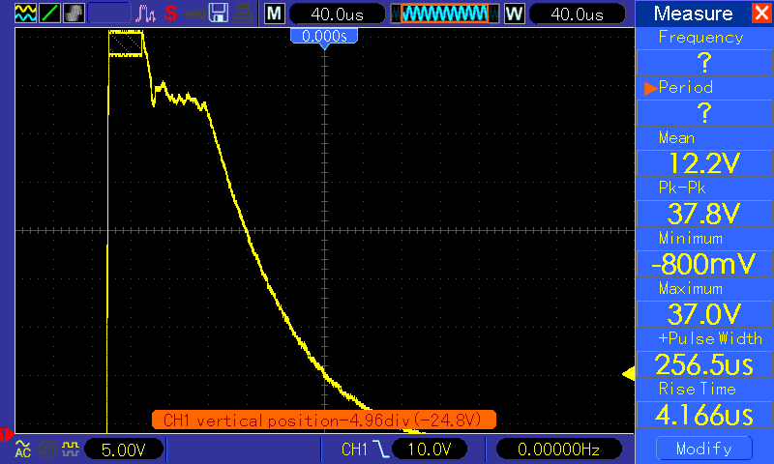
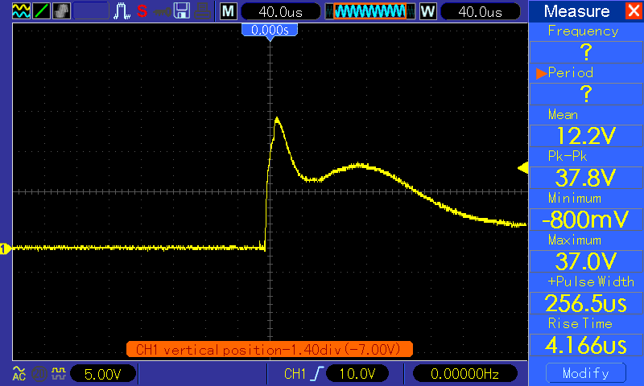

 | Inrush Current => |  | 5.4 | A

